UI Changes_2
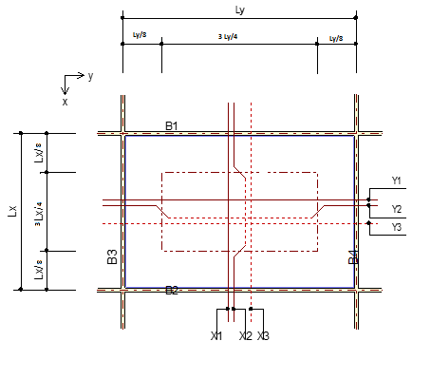
 |  | Required Changes in UI |  |  |  | Required Changes in UI |  |  | Required Changes in UI

PROJECT MODE |  |  |  | SIMPLE MODE |  |  | CHECKMODE
GUI CHANGES |  |  |  | GUI CHANGES |  |  | GUI CHANGES
 |  |  |  |  | No Changes in Check Mode |  |  | No Changes in Check Mode

 | OneWay
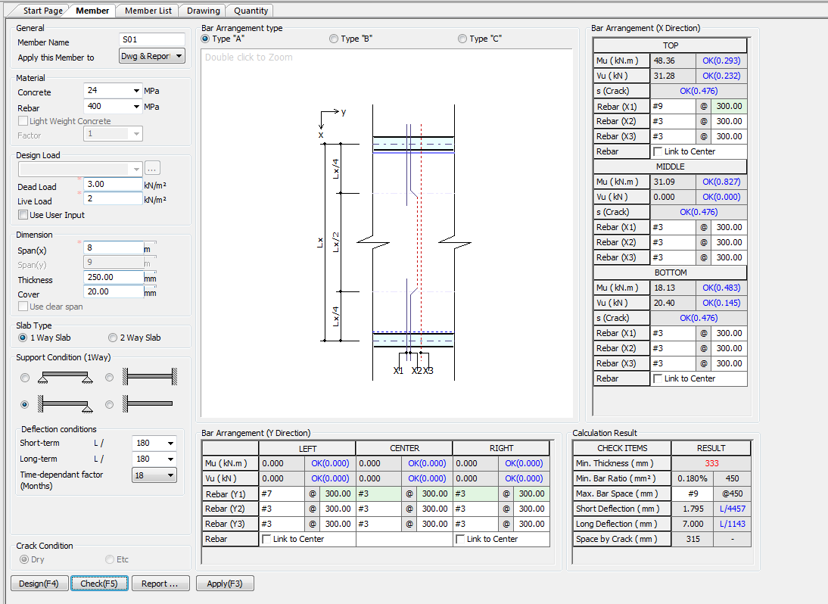


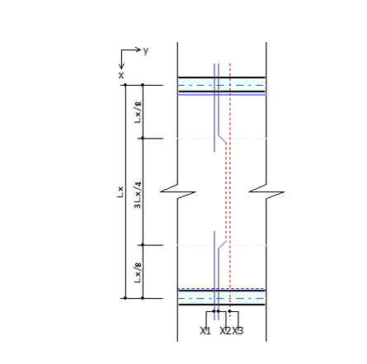

Limit
250
350
350
7
28
365
(Days)
Total Deflection (mm)

 |  |  | Change Mid and End Span as per IS456:2000 | Change Mid and End Span as per IS456:2000



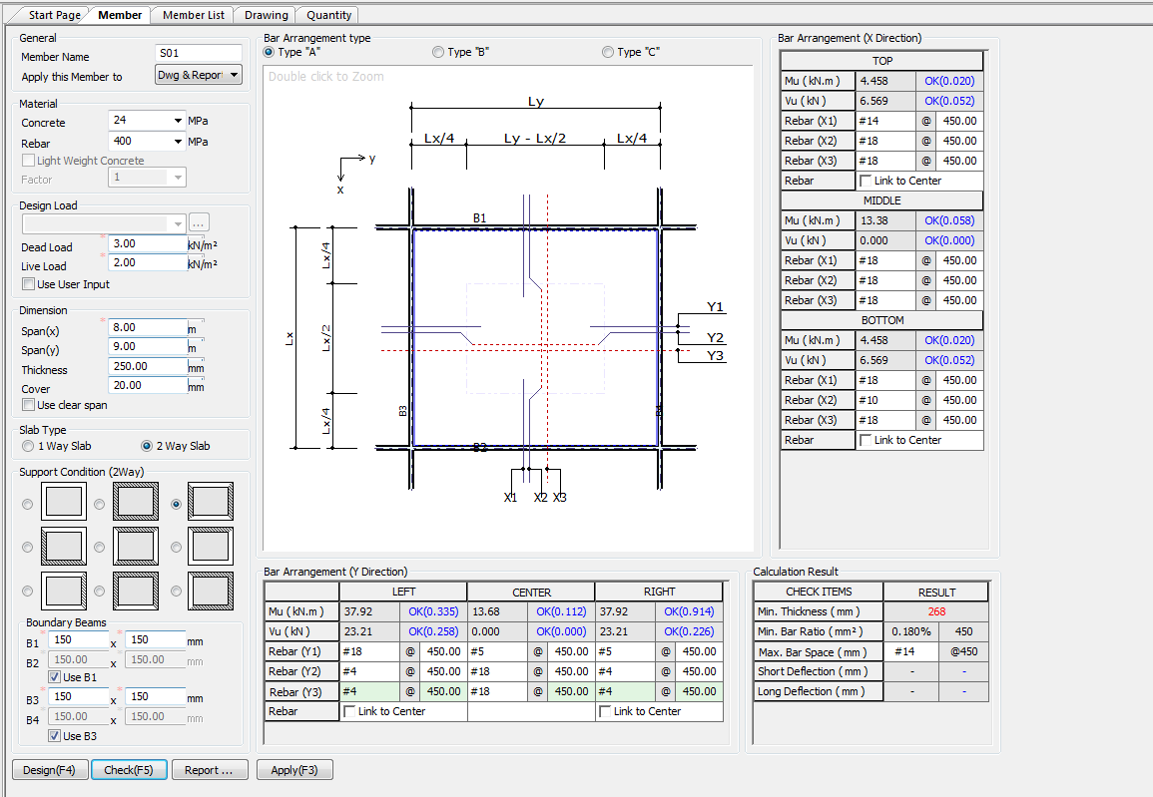
 |  |  | Change Mid and End Span as per IS456:2000
 | TwoWay
 | a

UI CHECK
UI Checking

 |  |  |  | Minput/Mprovided
 |  |  |  | Vinput/Vprodived Check
 |  |  |  | Spacing/SpacingCrackLimit

 |  |  |  | Minput/Mprovided
 |  |  |  | Vinput/Vprodived Check
 |  |  |  | Spacing/SpacingCrackLimit

 |  |  |  | Minput/Mprovided
 |  |  |  | Vinput/Vprodived Check
 |  |  |  | Spacing/SpacingCrackLimit

Limit
250
350
 |  |  |  | Minimum Thickness required (mm)
7
28
365
350
(Days)
Total Deflection (mm)
 |  |  |  | Minimum Area of steeel
 |  |  |  | Max spacing
 |  |  |  | Deflection Limit
 |  |  |  | Obtain Deflection

 |  |  |  | Max Spacing Limit for Crack Control

 | Minput/Mprovided | Minput/Mprovided | Minput/Mprovided
 | Vinput/Vprodived Check | Vinput/Vprodived Check | Vinput/Vprodived Check

 |  |  |  | Minput/Mprovided
 |  |  |  | Vinput/Vprodived Check

 |  |  |  | Minput/Mprovided
 |  |  |  | Vinput/Vprodived Check

 |  |  |  | Minput/Mprovided
 |  |  |  | Vinput/Vprodived Check

 |  |  |  | Minimum Thickness required (mm)
 |  |  |  | Minimum Area of steeel
 |  |  |  | Max spacing

 | Minput/Mprovided | Minput/Mprovided | Minput/Mprovided
 | Vinput/Vprodived Check | Vinput/Vprodived Check | Vinput/Vprodived Check

CODE PROVISIONS
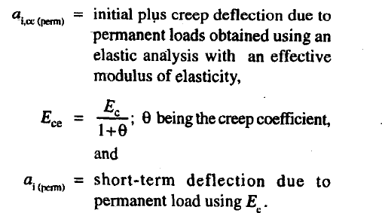
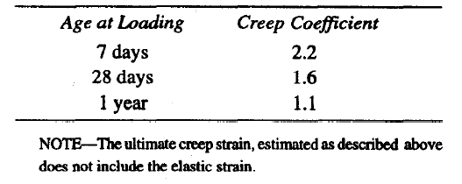
CODE PROVISION

IS456:2000 CODE PROVISIONS
SP 16
SP 24
IS13920:2016

IS456:2000 SLAB CODE PROVISIONS

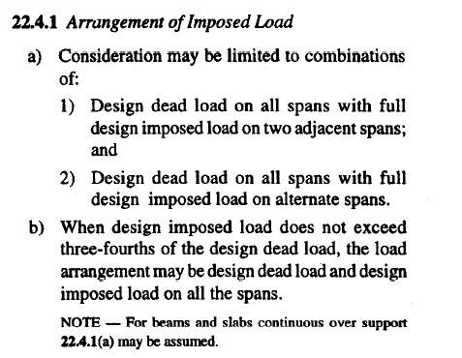
 | Structural Frames |  |  |  |  |  |  | [IS456:2000 22.4]

 | Assumptions

 | LiveLoad <= 3/4 DeadLoad -> |  |  | Load = DL + LL |  |  |  | [IS456:2000 22.4.1 b]

 | Moment and Shear Coefficients for continuous Beam |  |  |  |  |  |  | [IS456:2000 22.5]

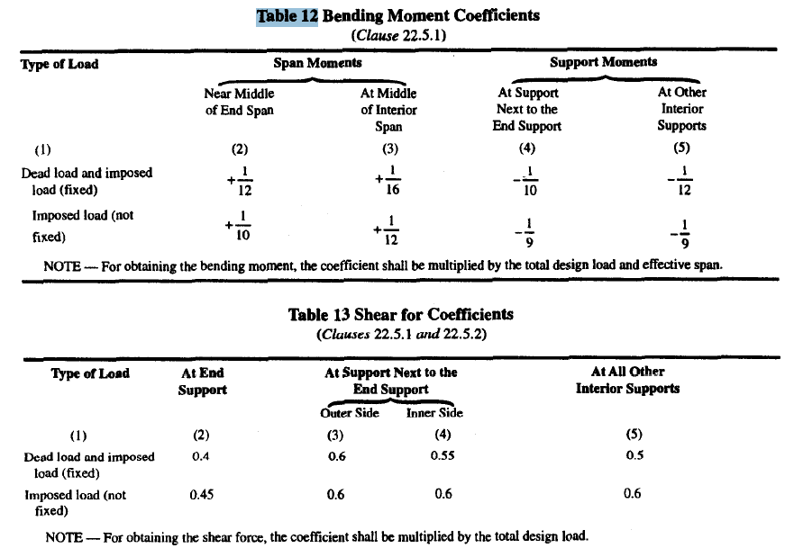
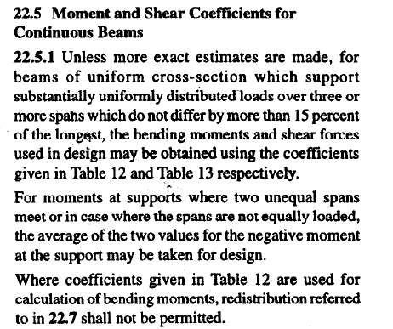

Shear Multiplying factor for slab |  |  |  |  |  |  |  |  | [IS456:2000 40.2.1.1]

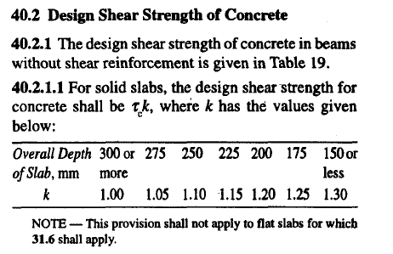
 |  | k=(400/d)^(1/4) |  | (400/d) < 1

Design Shear Strength of Concrete Tc Formula |  |  |  |  |  |  |  |  | [IS456:2000 Table 19]

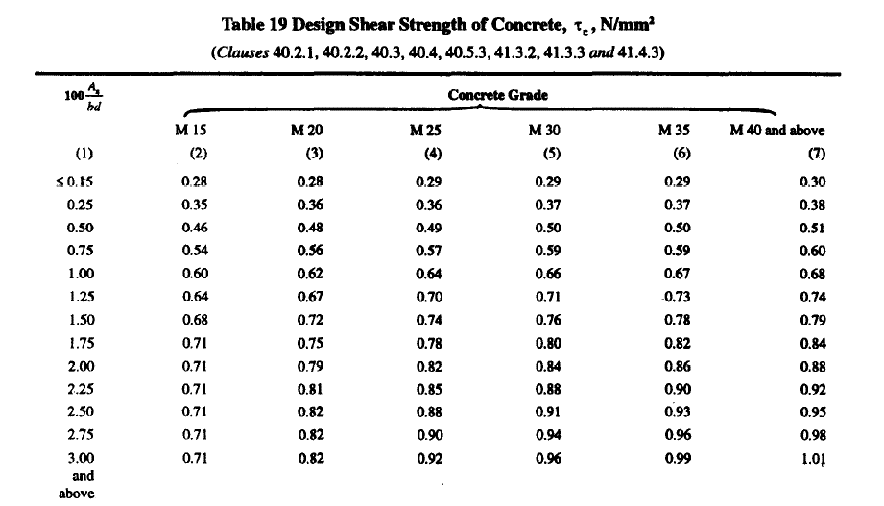

Max Shear Stress TcMax Formula |  |  |  |  |  |  |  |  | [IS456:2000 Table 20]

Solid Slab Nominal shear stress shall not exceed half of table 20 Value |  |  |  |  |  |  |  |  | [IS456:2000 40.2.3.1]

 | Tv <= 1/2 Tcmax

 |  |  |  |  |  |  |  |  | [IS456:2000 26.5.1.6]

 | Span/ Depth ratios
 |  | One way slab |  |  |  |  |  |  | [IS456:2000 23.2.1]
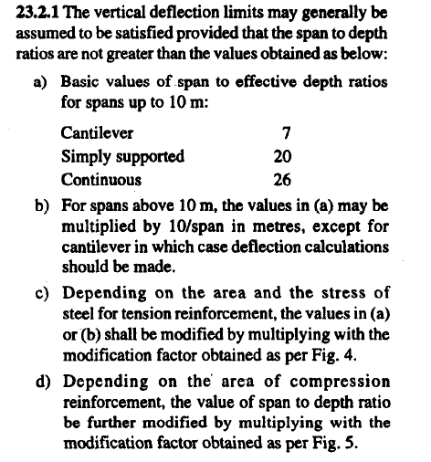

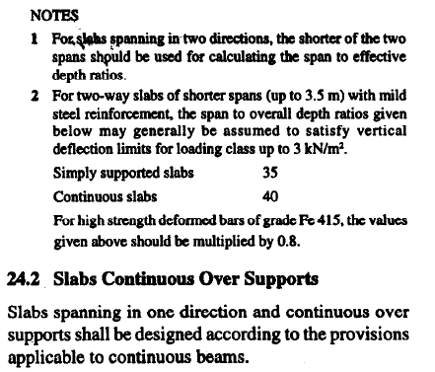

 |  | Two way slab |  |  |  |  |  |  | [IS456:2000 24.1]

Nominal Cover |  |  | 15mm or Diameter of Bar |  |  |  |  |  | [IS456:2000 26.4.1]

Calculate Moment Capasity of Slab |  |  |  |  |  |  |  |  | [IS456:2000 Annex G 1.1]

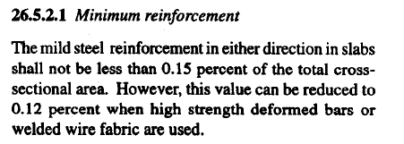

Min reinforcement |  |  |  |  |  |  |  |  | [IS456:2000 26.5.2.1]

 |  |  | 0.15 b d |  | For Fe 250

 |  |  | 0.12 b d |  | For Fe 415 or +

Max Dia |  |  |  |  |  |  |  |  | [IS456:2000 26.5.2.2]

 |  |  | Dia <= 1/8 x t |  |  | t = thickness of slab

Spacing Steel |  |  |  |  |  |  |  |  | [IS456:2000 26.3.3]
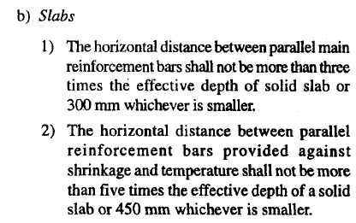
 | Main Steel Min of below
 |  | <= 3t |  |  |  | t = thickness of slab
 |  | 300

 | Secondary steel Min of below |  |  |  |  | t = thickness of slab
 |  | <=5t
 |  | 450

Partial Safety Factor for Loads |  |  |  |  |  |  |  |  | [IS456:2000 Table 18]

 |  |  | 1.5(DL + LL)

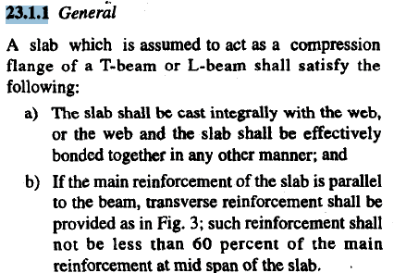

TwoWay Slab |  |  |  |  |  |  |  |  | [IS456:2000 Annex D]
 |  | Ly/Lx > 2 OneWay Slab
 |  | Ly/Lx <= 2 TwoWay Slab

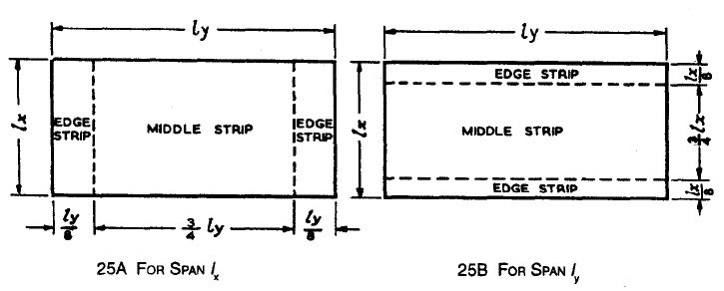

 | X | Y |  |  |  |  |  |  | [IS456:2000 Annex D-1.2]
Middle strip 3/4 lx |  | 3/4 ly
End strip 1/8 lx |  | 1/8 ly

Maximum Bending momen Per Unit width in a Slab |  |  |  |  |  |  |  |  | [IS456:2000 Annex D-1.1]
 |  | When Corners of slab are prevented from lifting

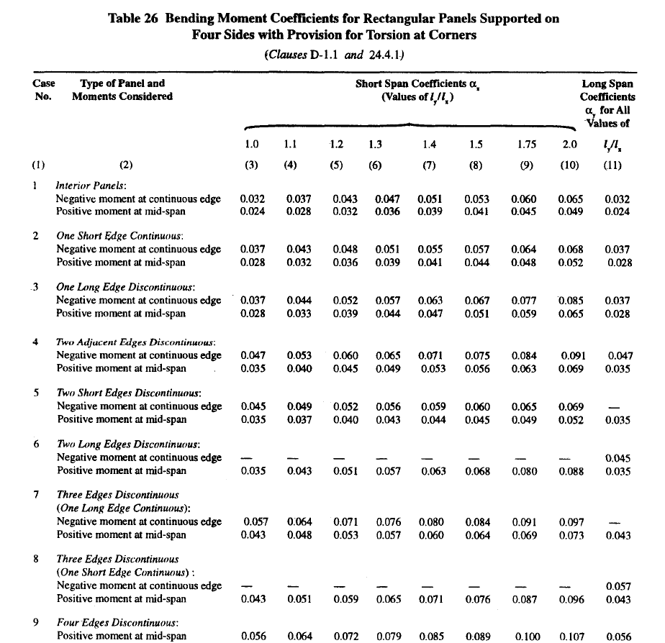
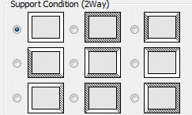

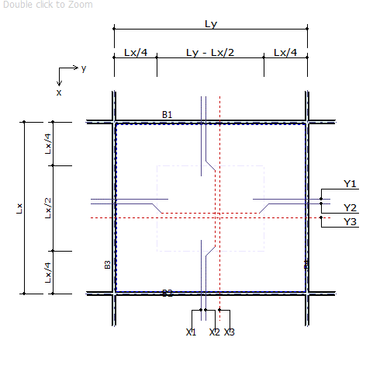

Ly Longer direction

Lx Short direction

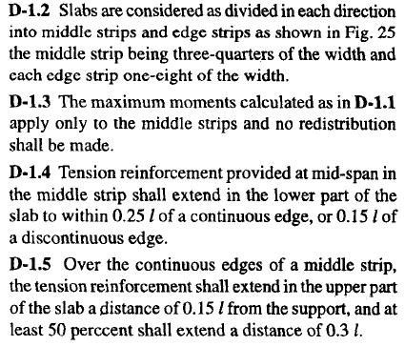
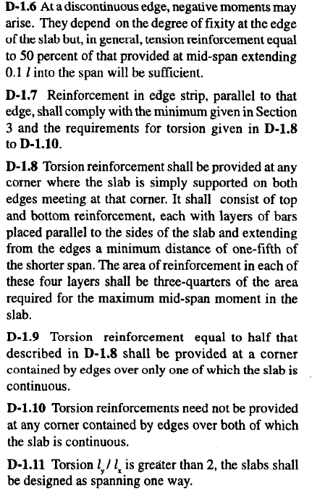

Simply Supported Slabs

CORNER REINFORCEMENT FOR TWO WAY SLAB |  |  |  |  |  |  |  |  | [IS456:2000 Annex D-1.8]

 | DISCONTINEOUS ON BOTH SIDE
 |  |  | Ast = 3/4 Ast(Maxmoment) |  |  |  | Provide for Lx/5 length

 | DISCONTINEOUS ON ONE SIDE
 |  |  | Ast = 3/4 Ast(Maxmoment)/2 |  |  |  | Provide for Lx/5 length

 |  | Provide on top and bottom both in x and y direction

LOADING ON SUPPORTING BEAMS |  |  |  |  |  |  |  |  | [IS456:2000 Annex 24.5]
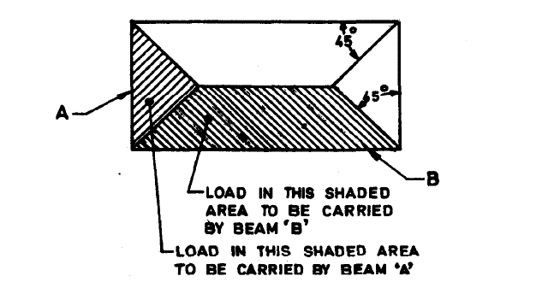

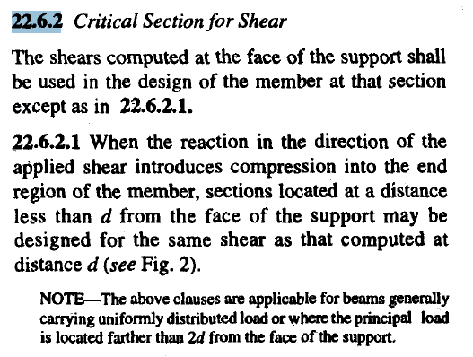
 |  | WX = w Lx2/4
 |  | WY = 1/3(2-1/k) w Lx k=Ly/Lx

Critical Section For Shear in Slab |  |  |  |  |  |  |  |  | [IS456:2000 22.6]

 |  |  | v vo - w'(d +b/2) |  |  | w1 average load
 |  |  |  |  |  | d effective depth slab
 |  |  |  |  |  | b breadth of beam

Controle Deflection using Min Percentage of steel + Max diameter of bar + span/defection.
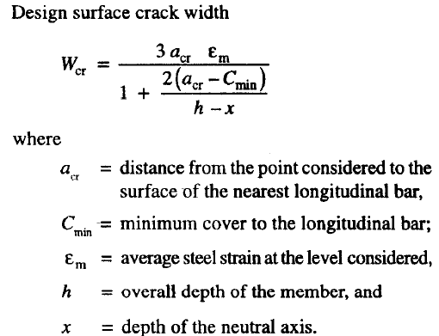

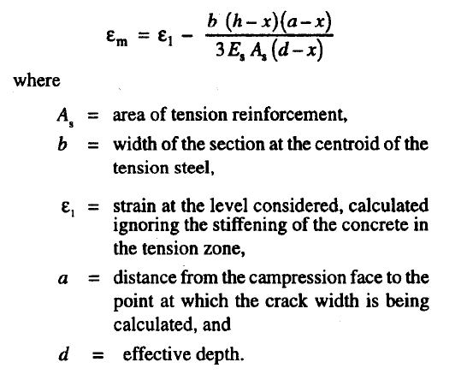

Design surface Crack Width |  |  |  |  |  |  |  |  | [IS456:2000 Annex F]

Cracking Limits |  |  |  |  |  |  |  |  | [IS456:2000 35.3.2]
For Appearance Condition Crack Width Not Exceed 0.3 mm
For Moderate Exposer Condition Crack Width Not Exceed 0.2 mm
For Severe Exposer Condition Crack Width Not Exceed 0.1 mm
For Aggressive Condition Crack width not Exceed 0.004 mm
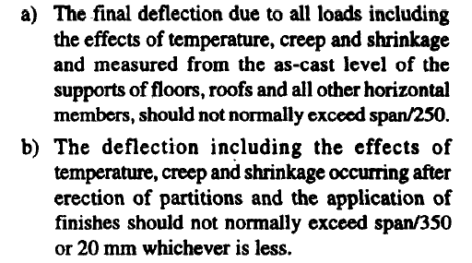

Deflection Factor |  |  | Span/250 |  |  |  |  |  | [IS456:2000 23.2 a]
Deflection Factor |  |  | Span/350 |  |  |  |  |  | [IS456:2000 23.2 b ]

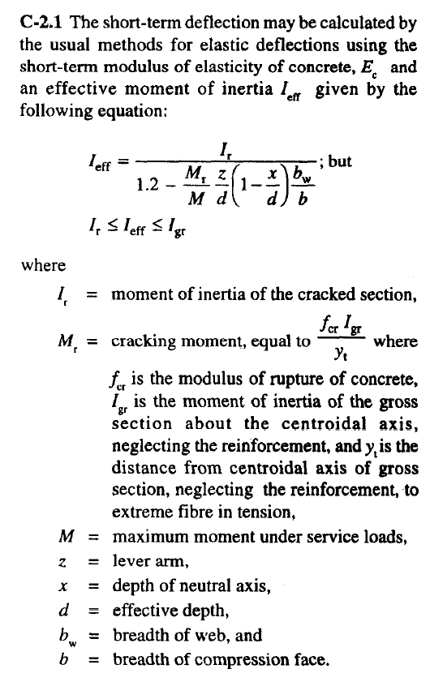
crack moment of section

 | fr = 0.7f'c |  |  |  |  |  |  |  | [IS456:2000 6.2.2]

 | Mcr =fr Ig yt |  |  |  |  |  |  |  | [IS456:2000 AnnexC-2.1]

 | Ie=Ir 1.2-Mr z M d bw b (1 - x d) |  |  |  |  |  |  |  | [IS456:2000 AnnexC-2.1]

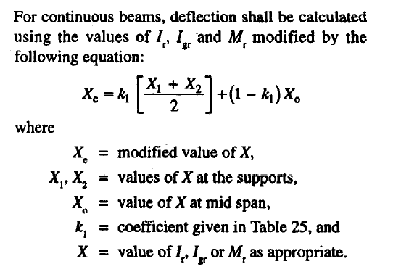

Shrinkage Deflection
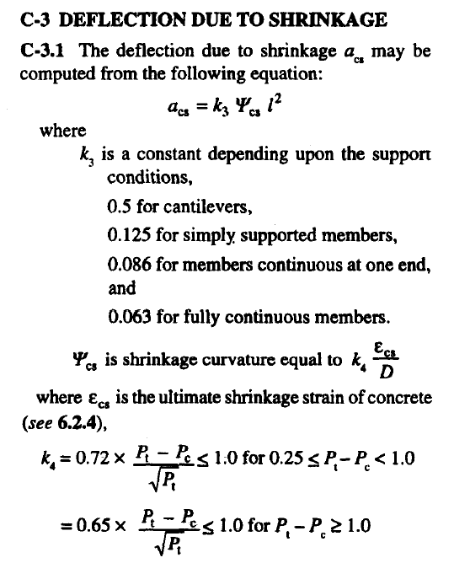
 |  |  |  |  |  |  |  |  | [IS456:2000 AnnexC-3]

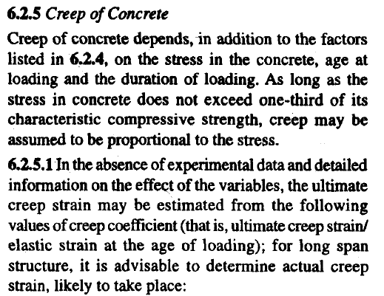

Creep Deflection
 |  |  |  |  |  |  |  |  | [IS456:2000 AnnexC-4]

FLOWCHART4
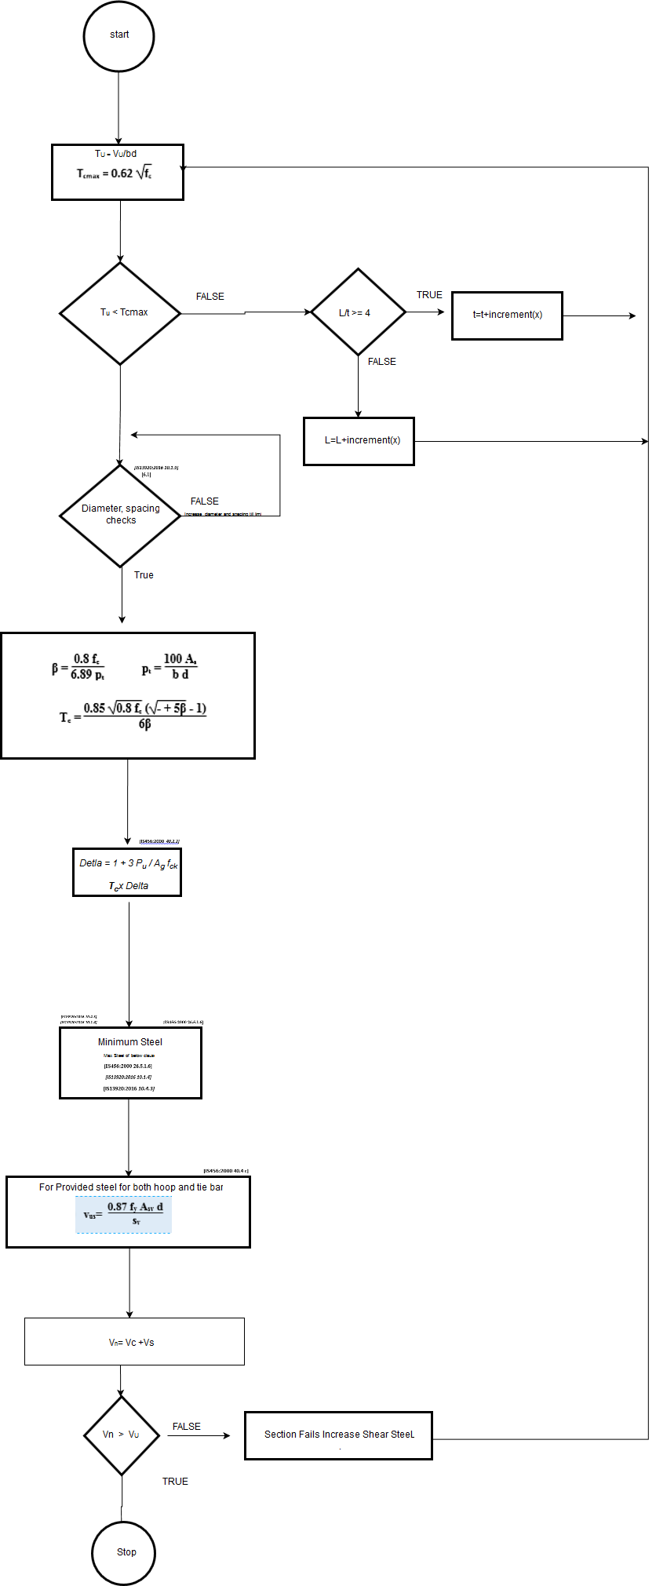
Flow Chart

FLOW CHARTS STEPS

Shear check

REPORT3
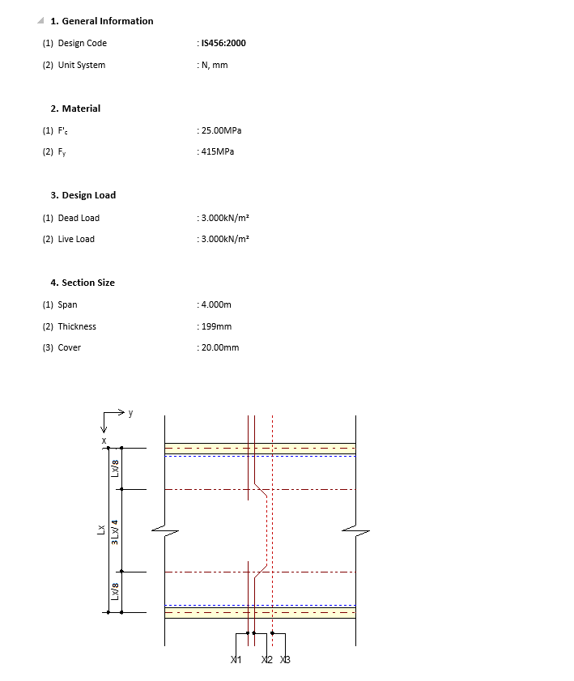
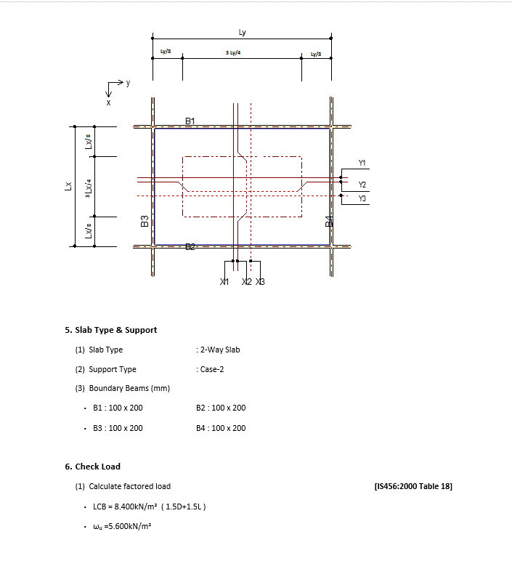
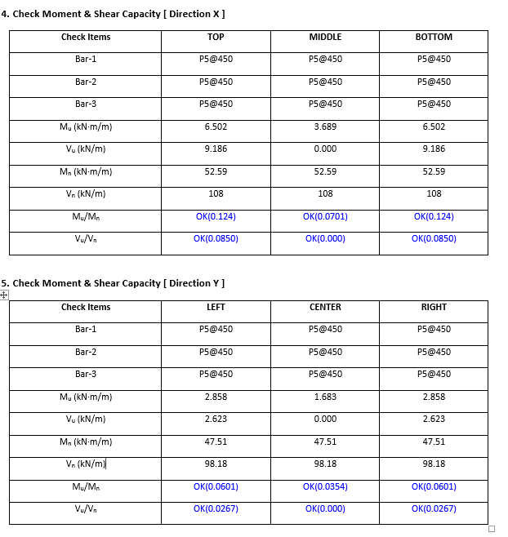
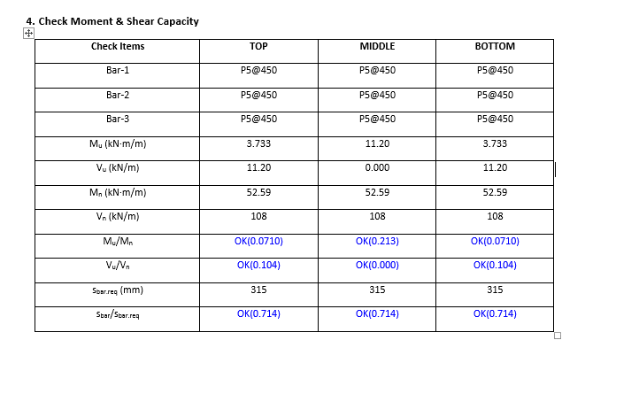
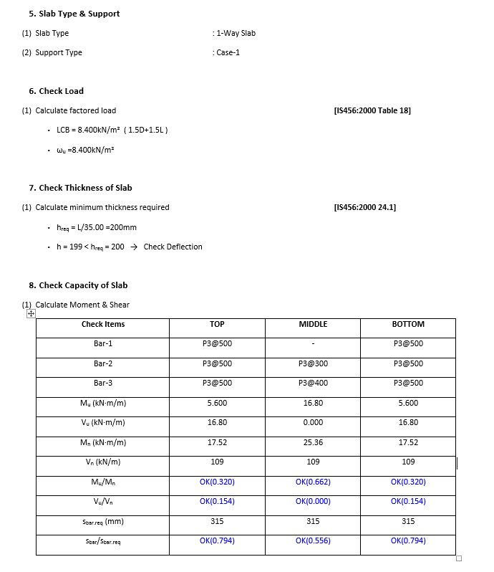
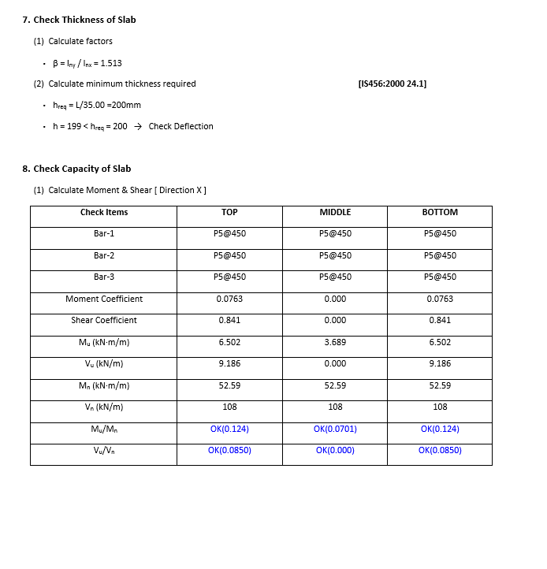
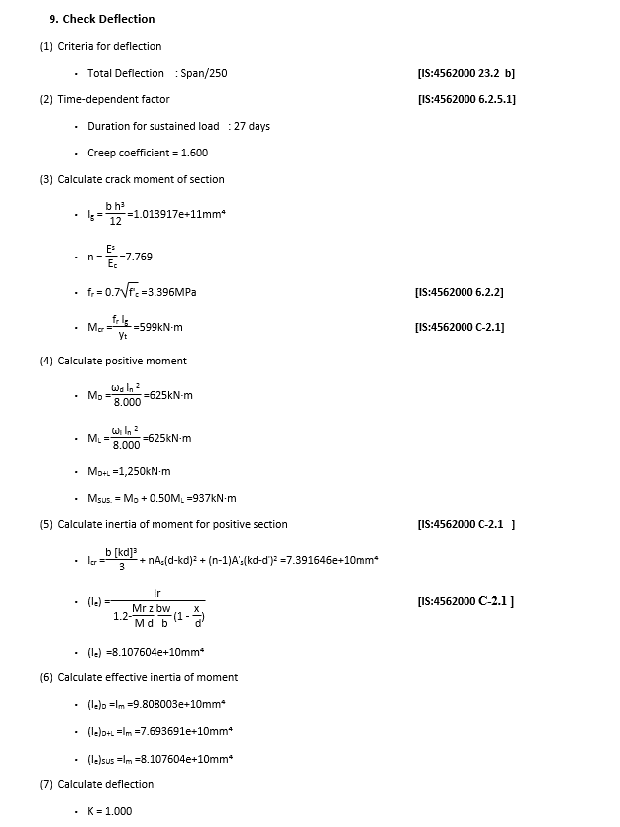
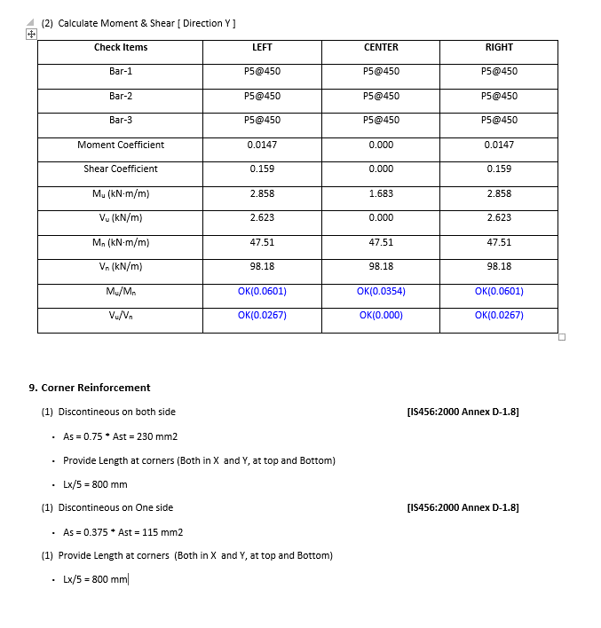
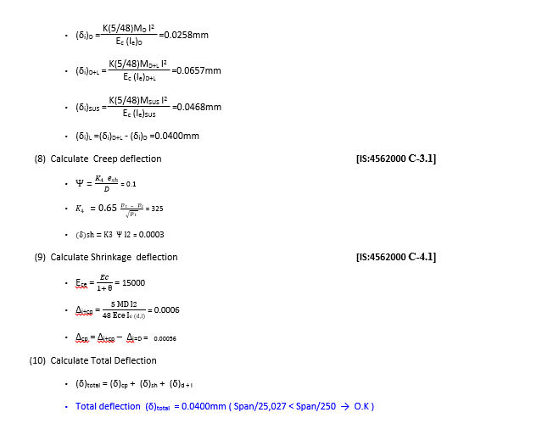
 | REPORT

 |  |  |  | Summary Report
 |  |  | Detail Report
Detail Report |  | Summary Report
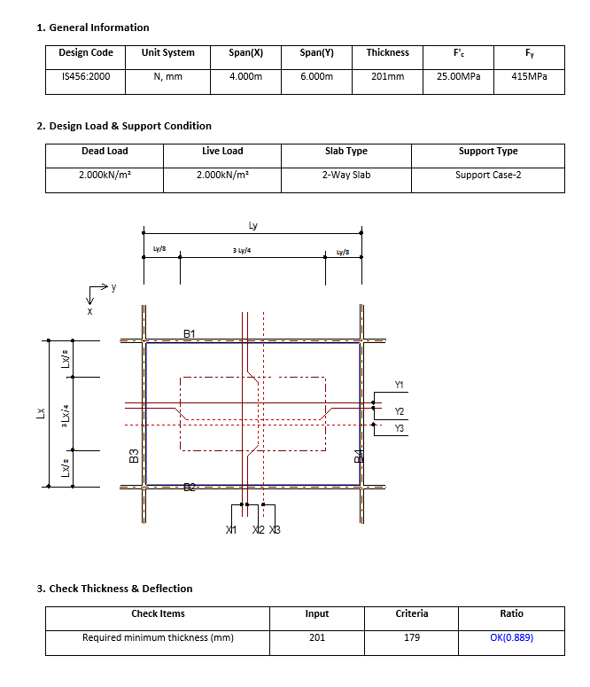
 |  | OneWay Slab | TwoWay
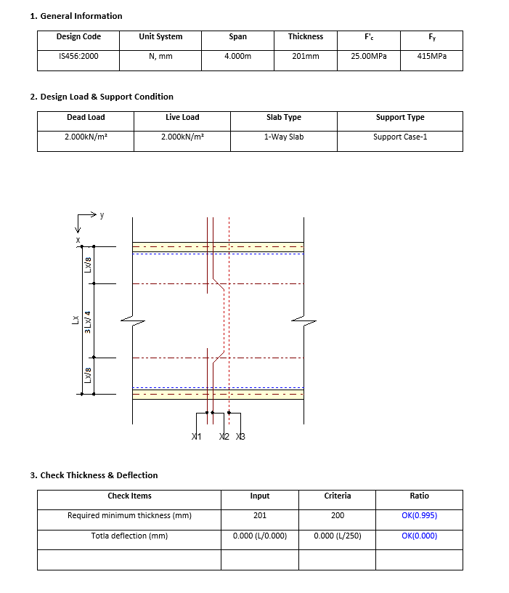
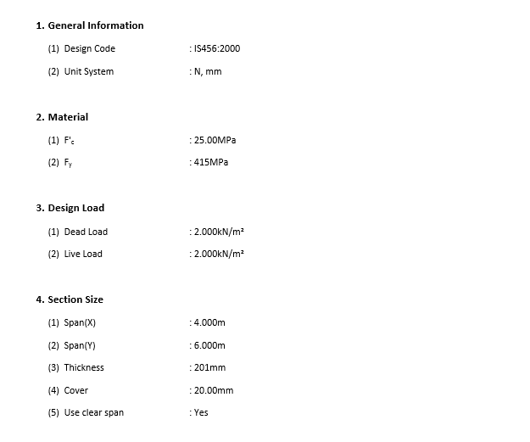
OneWay Slab

Comments
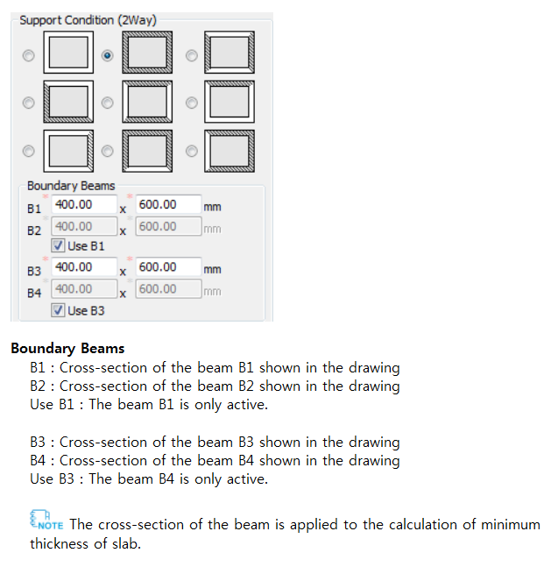
Comments / Special Points
 |  | 1

1 | The cross-section of the beam is applied to the calculation of minimum thickness of slab.
2 | Type-A" or "Type-B", rebar amount by the combination of the X1(Y1)/X2(Y2) is applied to the negative moment calculation and rebar amount by the combination of the X2(Y2)/X3(Y3)
3 | Adequate depths provided for deflection control
4 | Thickness of oneway slab base on supporting conditions
5
6
7
8
9
10
11
12
13
14
15
16
17
18
19
20
21
22
23
24
25
26
27
28
29
30
31
32
33
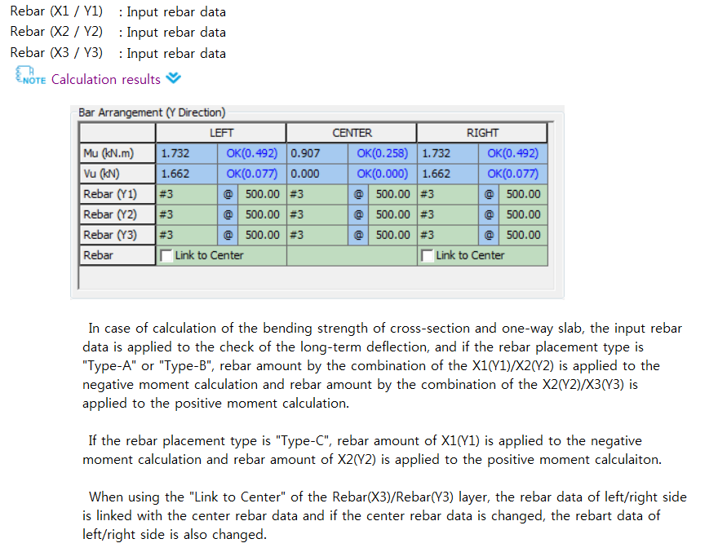
34 |  | 2
35
36
37
38

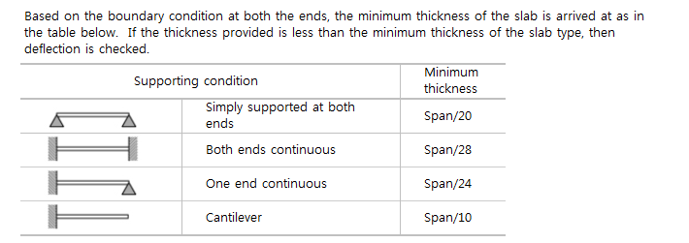
 |  | 4

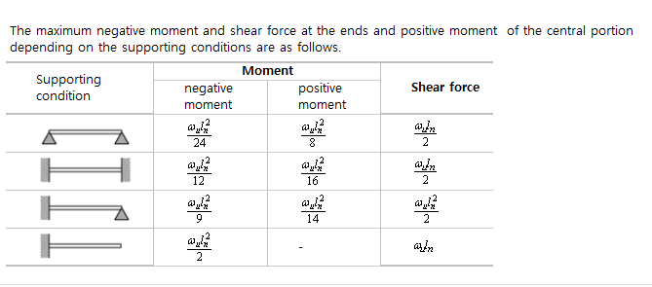
 |  | 5

Sheet1
b | d | fy | fck | As | xu | xu/d | Mn | Mns | x/d | xu/d section | xu/dmax
250 | 500 | 415 | 20 | 1000 | 1 | 0.002 | 3.7318626E+11 | 150557850 | 0.65698447612 | 0.40116666667 | 0.48 | Ensures that steel fail
250 | 500 | 415 | 20 | 1000 | 2 | 0.004 | 745745040000 | 150557850 | 62.888927551
 | Mn
1 | 3.7318626E+11
2 | 745745040000
3 | 1.11767634E+12
4 | 1488980160000
5 | 1.8596565E+12
6 | 2.22970536E+12
7 | 2.59912674E+12
8 | 2967920640000
9 | 3336087060000
10 | 3703626000000
11 | 4070537460000
12 | 4436821440000
13 | 4.80247794E+12
14 | 5.16750696E+12
15 | 5.5319085E+12
16 | 5895682560000
17 | 6258829140000
18 | 6621348240000
19 | 6983239860000
20 | 7.344504E+12
21 | 7705140660000
22 | 8065149840000
23 | 8424531540000
24 | 8.78328576E+12
25 | 9141412500000
26 | 9.49891176E+12
27 | 9.85578354E+12
28 | 10212027840000
29 | 1.056764466E+13
30 | 1.0922634E+13
31 | 11276995860000
32 | 11630730240000
33 | 1.198383714E+13
34 | 12336316560000
35 | 1.26881685E+13
36 | 1.303939296E+13
37 | 1.338998994E+13
38 | 13739959440000
39 | 14089301460000
40 | 14438016000000
41 | 1.478610306E+13
42 | 1.513356264E+13
43 | 15480394740000
44 | 15826599360000
45 | 16172176500000
46 | 1.651712616E+13
47 | 1.686144834E+13
48 | 17205143040000
49 | 17548210260000
50 | 1.789065E+13
...
250 | 500 | 415 | 20 | 1000 | 3 | 0.006 | 1.11767634E+12 | 150557850 | 77.044295694
250 | 500 | 415 | 20 | 1000 | 4 | 0.008 | 1488980160000 | 150557850 | 88.96263435
250 | 500 | 415 | 20 | 1000 | 5 | 0.01 | 1.8596565E+12 | 150557850 | 99.449539752
250 | 500 | 415 | 20 | 1000 | 6 | 0.012 | 2.22970536E+12 | 150557850 | 108.91835032
250 | 500 | 415 | 20 | 1000 | 7 | 0.014 | 2.59912674E+12 | 150557850 | 117.61471267
250 | 500 | 415 | 20 | 1000 | 8 | 0.016 | 2967920640000 | 150557850 | 125.69874662
250 | 500 | 415 | 20 | 1000 | 9 | 0.018 | 3336087060000 | 150557850 | 133.28171827
250 | 500 | 415 | 20 | 1000 | 10 | 0.02 | 3703626000000 | 150557850 | 140.44467345
250 | 500 | 415 | 20 | 1000 | 11 | 0.022 | 4070537460000 | 150557850 | 147.24882055
250 | 500 | 415 | 20 | 1000 | 12 | 0.024 | 4436821440000 | 150557850 | 153.74173195
250 | 500 | 415 | 20 | 1000 | 13 | 0.026 | 4.80247794E+12 | 150557850 | 159.96125502
250 | 500 | 415 | 20 | 1000 | 14 | 0.028 | 5.16750696E+12 | 150557850 | 165.93808879
250 | 500 | 415 | 20 | 1000 | 15 | 0.03 | 5.5319085E+12 | 150557850 | 171.69754396
250 | 500 | 415 | 20 | 1000 | 16 | 0.032 | 5895682560000 | 150557850 | 177.26078197
250 | 500 | 415 | 20 | 1000 | 17 | 0.034 | 6258829140000 | 150557850 | 182.64571001
250 | 500 | 415 | 20 | 1000 | 18 | 0.036 | 6621348240000 | 150557850 | 187.86764204
250 | 500 | 415 | 20 | 1000 | 19 | 0.038 | 6983239860000 | 150557850 | 192.93979659
250 | 500 | 415 | 20 | 1000 | 20 | 0.04 | 7.344504E+12 | 150557850 | 197.87367791
250 | 500 | 415 | 20 | 1000 | 21 | 0.042 | 7705140660000 | 150557850 | 202.67937238
250 | 500 | 415 | 20 | 1000 | 22 | 0.044 | 8065149840000 | 150557850 | 207.36578206 | Nutral Axis deponds upon the section and percentage of steel
250 | 500 | 415 | 20 | 1000 | 23 | 0.046 | 8424531540000 | 150557850 | 211.94081098 | For that Nutral Axis increase the load and obtain the strains
250 | 500 | 415 | 20 | 1000 | 24 | 0.048 | 8.78328576E+12 | 150557850 | 216.41151535
250 | 500 | 415 | 20 | 1000 | 25 | 0.05 | 9141412500000 | 150557850 | 220.78422582
250 | 500 | 415 | 20 | 1000 | 26 | 0.052 | 9.49891176E+12 | 150557850 | 225.06464808 | From Mu input and we know b d fck fst Don’t know steel
250 | 500 | 415 | 20 | 1000 | 27 | 0.054 | 9.85578354E+12 | 150557850 | 229.25794604 | We Obtain x as per Mu THIS X MUST BE LESS THAN LIMIT TO ENSURE UNDER REINFORCEMENT
250 | 500 | 415 | 20 | 1000 | 28 | 0.056 | 10212027840000 | 150557850 | 233.36881143 | Then Calculate Steel for Countering Mu
250 | 500 | 415 | 20 | 1000 | 29 | 0.058 | 1.056764466E+13 | 150557850 | 237.40152218
250 | 500 | 415 | 20 | 1000 | 30 | 0.06 | 1.0922634E+13 | 150557850 | 241.35999192 | We Know b d fck fst ast All We Know the Steel
250 | 500 | 415 | 20 | 1000 | 31 | 0.062 | 11276995860000 | 150557850 | 245.24781207 | we Obtain x exact equilebrium for section USING STRAIN COMPATABILITY METHOD : CONDITION UNDER REINFORCEMENT BY TAKINING STRAIN OF CONCRETE 0.0035
250 | 500 | 415 | 20 | 1000 | 32 | 0.064 | 11630730240000 | 150557850 | 249.06828787
250 | 500 | 415 | 20 | 1000 | 33 | 0.066 | 1.198383714E+13 | 150557850 | 252.82446941
250 | 500 | 415 | 20 | 1000 | 34 | 0.068 | 12336316560000 | 150557850 | 256.51917841
250 | 500 | 415 | 20 | 1000 | 35 | 0.07 | 1.26881685E+13 | 150557850 | 260.15503157
250 | 500 | 415 | 20 | 1000 | 36 | 0.072 | 1.303939296E+13 | 150557850 | 263.73446084
250 | 500 | 415 | 20 | 1000 | 37 | 0.074 | 1.338998994E+13 | 150557850 | 267.25973129
250 | 500 | 415 | 20 | 1000 | 38 | 0.076 | 13739959440000 | 150557850 | 270.73295667
250 | 500 | 415 | 20 | 1000 | 39 | 0.078 | 14089301460000 | 150557850 | 274.15611331
250 | 500 | 415 | 20 | 1000 | 40 | 0.08 | 14438016000000 | 150557850 | 277.53105231
250 | 500 | 415 | 20 | 1000 | 41 | 0.082 | 1.478610306E+13 | 150557850 | 280.85951041
250 | 500 | 415 | 20 | 1000 | 42 | 0.084 | 1.513356264E+13 | 150557850 | 284.14311966
250 | 500 | 415 | 20 | 1000 | 43 | 0.086 | 15480394740000 | 150557850 | 287.3834161
250 | 500 | 415 | 20 | 1000 | 44 | 0.088 | 15826599360000 | 150557850 | 290.58184749
250 | 500 | 415 | 20 | 1000 | 45 | 0.09 | 16172176500000 | 150557850 | 293.73978028
250 | 500 | 415 | 20 | 1000 | 46 | 0.092 | 1.651712616E+13 | 150557850 | 296.85850588
250 | 500 | 415 | 20 | 1000 | 47 | 0.094 | 1.686144834E+13 | 150557850 | 299.93924633
250 | 500 | 415 | 20 | 1000 | 48 | 0.096 | 17205143040000 | 150557850 | 302.98315942
250 | 500 | 415 | 20 | 1000 | 49 | 0.098 | 17548210260000 | 150557850 | 305.99134332
250 | 500 | 415 | 20 | 1000 | 50 | 0.1 | 1.789065E+13 | 150557850 | 308.96484084
250 | 500 | 415 | 20 | 1000 | 51 | 0.102 | 18232462260000 | 150557850 | 311.90464326
250 | 500 | 415 | 20 | 1000 | 52 | 0.104 | 1.857364704E+13 | 150557850 | 314.81169382
250 | 500 | 415 | 20 | 1000 | 53 | 0.106 | 1.891420434E+13 | 150557850 | 317.68689096
250 | 500 | 415 | 20 | 1000 | 54 | 0.108 | 19254134160000 | 150557850 | 320.5310912
250 | 500 | 415 | 20 | 1000 | 55 | 0.11 | 1.95934365E+13 | 150557850 | 323.34511192
250 | 500 | 415 | 20 | 1000 | 56 | 0.112 | 19932111360000 | 150557850 | 326.12973375
250 | 500 | 415 | 20 | 1000 | 57 | 0.114 | 2.027015874E+13 | 150557850 | 328.8857029
250 | 500 | 415 | 20 | 1000 | 58 | 0.116 | 2.060757864E+13 | 150557850 | 331.61373322
250 | 500 | 415 | 20 | 1000 | 59 | 0.118 | 2.094437106E+13 |  | 334.31450818
250 | 500 | 415 | 20 | 1000 | 60 | 0.12 | 21280536000000 |  | 336.98868262
250 | 500 | 415 | 20 | 1000 | 61 | 0.122 | 2.161607346E+13 |  | 339.63688443
250 | 500 | 415 | 20 | 1000 | 62 | 0.124 | 21950983440000 |  | 342.25971606
250 | 500 | 415 | 20 | 1000 | 63 | 0.126 | 2.228526594E+13 |  | 344.85775598
250 | 500 | 415 | 20 | 1000 | 64 | 0.128 | 22618920960000 |  | 347.43155997
250 | 500 | 415 | 20 | 1000 | 65 | 0.13 | 2.29519485E+13 |  | 349.98166236
250 | 500 | 415 | 20 | 1000 | 66 | 0.132 | 23284348560000 |  | 352.50857718
250 | 500 | 415 | 20 | 1000 | 67 | 0.134 | 23616121140000 |  | 355.01279925
250 | 500 | 415 | 20 | 1000 | 68 | 0.136 | 23947266240000 |  | 357.49480511
250 | 500 | 415 | 20 | 1000 | 69 | 0.138 | 24277783860000 |  | 359.95505403
250 | 500 | 415 | 20 | 1000 | 70 | 0.14 | 2.4607674E+13 |  | 362.39398883
250 | 500 | 415 | 20 | 1000 | 71 | 0.142 | 2.493693666E+13 |  | 364.81203672
250 | 500 | 415 | 20 | 1000 | 72 | 0.144 | 25265571840000 |  | 367.20961003
250 | 500 | 415 | 20 | 1000 | 73 | 0.146 | 2.559357954E+13 |  | 369.58710699
250 | 500 | 415 | 20 | 1000 | 74 | 0.148 | 25920959760000 |  | 371.94491232
250 | 500 | 415 | 20 | 1000 | 75 | 0.15 | 2.62477125E+13 |  | 374.28339793
250 | 500 | 415 | 20 | 1000 | 76 | 0.152 | 2.657383776E+13 |  | 376.6029235
250 | 500 | 415 | 20 | 1000 | 77 | 0.154 | 2.689933554E+13 |  | 378.90383699
250 | 500 | 415 | 20 | 1000 | 78 | 0.156 | 2.722420584E+13 |  | 381.18647523
250 | 500 | 415 | 20 | 1000 | 79 | 0.158 | 2.754844866E+13 |  | 383.4511644
250 | 500 | 415 | 20 | 1000 | 80 | 0.16 | 27872064000000 |  | 385.69822047
250 | 500 | 415 | 20 | 1000 | 81 | 0.162 | 2.819505186E+13 |  | 387.92794966
250 | 500 | 415 | 20 | 1000 | 82 | 0.164 | 28517412240000 |  | 390.14064887
250 | 500 | 415 | 20 | 1000 | 83 | 0.166 | 2.883914514E+13 |  | 392.33660606
250 | 500 | 415 | 20 | 1000 | 84 | 0.168 | 29160250560000 |  | 394.51610064
250 | 500 | 415 | 20 | 1000 | 85 | 0.17 | 29480728500000 |  | 396.67940379
250 | 500 | 415 | 20 | 1000 | 86 | 0.172 | 2.980057896E+13 |  | 398.82677883
250 | 500 | 415 | 20 | 1000 | 87 | 0.174 | 3.011980194E+13 |  | 400.95848151
250 | 500 | 415 | 20 | 1000 | 88 | 0.176 | 3.043839744E+13 |  | 403.07476035
250 | 500 | 415 | 20 | 1000 | 89 | 0.178 | 30756365460000 |  | 405.17585689
250 | 500 | 415 | 20 | 1000 | 90 | 0.18 | 31073706000000 |  | 407.26200596
250 | 500 | 415 | 20 | 1000 | 91 | 0.182 | 31390419060000 |  | 409.33343598
250 | 500 | 415 | 20 | 1000 | 92 | 0.184 | 3.170650464E+13 |  | 411.39036914
250 | 500 | 415 | 20 | 1000 | 93 | 0.186 | 3.202196274E+13 |  | 413.4330217
250 | 500 | 415 | 20 | 1000 | 94 | 0.188 | 3.233679336E+13 |  | 415.46160418
250 | 500 | 415 | 20 | 1000 | 95 | 0.19 | 3.26509965E+13 |  | 417.47632156
250 | 500 | 415 | 20 | 1000 | 96 | 0.192 | 32964572160000 |  | 419.47737351
250 | 500 | 415 | 20 | 1000 | 97 | 0.194 | 33277520340000 |  | 421.46495456
250 | 500 | 415 | 20 | 1000 | 98 | 0.196 | 3.358984104E+13 |  | 423.43925429
250 | 500 | 415 | 20 | 1000 | 99 | 0.198 | 33901534260000 |  | 425.40045753
250 | 500 | 415 | 20 | 1000 | 100 | 0.2 | 34212600000000 |  | 427.34874447
250 | 500 | 415 | 20 | 1000 | 101 | 0.202 | 3.452303826E+13 |  | 429.28429089
250 | 500 | 415 | 20 | 1000 | 102 | 0.204 | 34832849040000 |  | 431.20726824
250 | 500 | 415 | 20 | 1000 | 103 | 0.206 | 35142032340000 |  | 433.11784385
250 | 500 | 415 | 20 | 1000 | 104 | 0.208 | 3.545058816E+13 |  | 435.01618103
250 | 500 | 415 | 20 | 1000 | 105 | 0.21 | 3.57585165E+13 |  | 436.90243923
250 | 500 | 415 | 20 | 1000 | 106 | 0.212 | 3.606581736E+13 |  | 438.77677413
250 | 500 | 415 | 20 | 1000 | 107 | 0.214 | 3.637249074E+13 |  | 440.63933782
250 | 500 | 415 | 20 | 1000 | 108 | 0.216 | 36678536640000 |  | 442.49027884
250 | 500 | 415 | 20 | 1000 | 109 | 0.218 | 36983955060000 |  | 444.32974238
250 | 500 | 415 | 20 | 1000 | 110 | 0.22 | 3.7288746E+13 |  | 446.15787032
250 | 500 | 415 | 20 | 1000 | 111 | 0.222 | 3.759290946E+13 |  | 447.97480136
250 | 500 | 415 | 20 | 1000 | 112 | 0.224 | 37896445440000 |  | 449.78067112
250 | 500 | 415 | 20 | 1000 | 113 | 0.226 | 3.819935394E+13 |  | 451.57561223
250 | 500 | 415 | 20 | 1000 | 114 | 0.228 | 38501634960000 |  | 453.35975444
250 | 500 | 415 | 20 | 1000 | 115 | 0.23 | 38803288500000 |  | 455.13322467
250 | 500 | 415 | 20 | 1000 | 116 | 0.232 | 39104314560000 |  | 456.89614713
250 | 500 | 415 | 20 | 1000 | 117 | 0.234 | 39404713140000 |  | 458.64864338
250 | 500 | 415 | 20 | 1000 | 118 | 0.236 | 3.970448424E+13 |  | 460.39083242
250 | 500 | 415 | 20 | 1000 | 119 | 0.238 | 4.000362786E+13 |  | 462.12283078
250 | 500 | 415 | 20 | 1000 | 120 | 0.24 | 40302144000000 |  | 463.84475254
250 | 500 | 415 | 20 | 1000 | 121 | 0.242 | 40600032660000 |  | 465.55670945
250 | 500 | 415 | 20 | 1000 | 122 | 0.244 | 4.089729384E+13 |  | 467.25881099
250 | 500 | 415 | 20 | 1000 | 123 | 0.246 | 4.119392754E+13 |  | 468.95116442
250 | 500 | 415 | 20 | 1000 | 124 | 0.248 | 4.148993376E+13 |  | 470.63387485
250 | 500 | 415 | 20 | 1000 | 125 | 0.25 | 41785312500000 |  | 472.30704528
250 | 500 | 415 | 20 | 1000 | 126 | 0.252 | 42080063760000 |  | 473.97077669
250 | 500 | 415 | 20 | 1000 | 127 | 0.254 | 4.237418754E+13 |  | 475.6251681
250 | 500 | 415 | 20 | 1000 | 128 | 0.256 | 4.266768384E+13 |  | 477.27031658
250 | 500 | 415 | 20 | 1000 | 129 | 0.258 | 4.296055266E+13 |  | 478.90631733
250 | 500 | 415 | 20 | 1000 | 130 | 0.26 | 43252794000000 |  | 480.53326375
250 | 500 | 415 | 20 | 1000 | 131 | 0.262 | 43544407860000 |  | 482.15124744
250 | 500 | 415 | 20 | 1000 | 132 | 0.264 | 4.383539424E+13 |  | 483.76035828
250 | 500 | 415 | 20 | 1000 | 133 | 0.266 | 4.412575314E+13 |  | 485.36068449
250 | 500 | 415 | 20 | 1000 | 134 | 0.268 | 4.441548456E+13 |  | 486.95231263
250 | 500 | 415 | 20 | 1000 | 135 | 0.27 | 44704588500000 |  | 488.53532768
250 | 500 | 415 | 20 | 1000 | 136 | 0.272 | 44993064960000 |  | 490.10981304
250 | 500 | 415 | 20 | 1000 | 137 | 0.274 | 45280913940000 |  | 491.67585062
250 | 500 | 415 | 20 | 1000 | 138 | 0.276 | 45568135440000 |  | 493.23352086
250 | 500 | 415 | 20 | 1000 | 139 | 0.278 | 45854729460000 |  | 494.78290274
250 | 500 | 415 | 20 | 1000 | 140 | 0.28 | 46140696000000 |  | 496.32407384
250 | 500 | 415 | 20 | 1000 | 141 | 0.282 | 4.642603506E+13 |  | 497.85711037
250 | 500 | 415 | 20 | 1000 | 142 | 0.284 | 46710746640000 |  | 499.38208723
250 | 500 | 415 | 20 | 1000 | 143 | 0.286 | 46994830740000 |  | 500.89907798
250 | 500 | 415 | 20 | 1000 | 144 | 0.288 | 47278287360000 |  | 502.40815493
250 | 500 | 415 | 20 | 1000 | 145 | 0.29 | 4.75611165E+13 |  | 503.90938915
250 | 500 | 415 | 20 | 1000 | 146 | 0.292 | 47843318160000 |  | 505.40285049
250 | 500 | 415 | 20 | 1000 | 147 | 0.294 | 4.812489234E+13 |  | 506.88860762
250 | 500 | 415 | 20 | 1000 | 148 | 0.296 | 4.840583904E+13 |  | 508.36672806
250 | 500 | 415 | 20 | 1000 | 149 | 0.298 | 48686158260000 |  | 509.83727821
250 | 500 | 415 | 20 | 1000 | 150 | 0.3 | 48965850000000 |  | 511.30032334
250 | 500 | 415 | 20 | 1000 | 151 | 0.302 | 4.924491426E+13 |  | 512.75592767
250 | 500 | 415 | 20 | 1000 | 152 | 0.304 | 4.952335104E+13 |  | 514.20415436
250 | 500 | 415 | 20 | 1000 | 153 | 0.306 | 4.980116034E+13 |  | 515.64506555
250 | 500 | 415 | 20 | 1000 | 154 | 0.308 | 5.007834216E+13 |  | 517.07872236
250 | 500 | 415 | 20 | 1000 | 155 | 0.31 | 50354896500000 |  | 518.50518494
250 | 500 | 415 | 20 | 1000 | 156 | 0.312 | 5.063082336E+13 |  | 519.92451247
250 | 500 | 415 | 20 | 1000 | 157 | 0.314 | 5.090612274E+13 |  | 521.33676321
250 | 500 | 415 | 20 | 1000 | 158 | 0.316 | 5.118079464E+13 |  | 522.74199449
250 | 500 | 415 | 20 | 1000 | 159 | 0.318 | 51454839060000 |  | 524.14026273
250 | 500 | 415 | 20 | 1000 | 160 | 0.32 | 5.1728256E+13 |  | 525.53162349
250 | 500 | 415 | 20 | 1000 | 161 | 0.322 | 52001045460000 |  | 526.91613146
250 | 500 | 415 | 20 | 1000 | 162 | 0.324 | 52273207440000 |  | 528.29384051
250 | 500 | 415 | 20 | 1000 | 163 | 0.326 | 52544741940000 |  | 529.66480365
250 | 500 | 415 | 20 | 1000 | 164 | 0.328 | 52815648960000 |  | 531.02907311
250 | 500 | 415 | 20 | 1000 | 165 | 0.33 | 53085928500000 |  | 532.38670033
250 | 500 | 415 | 20 | 1000 | 166 | 0.332 | 53355580560000 |  | 533.73773597
250 | 500 | 415 | 20 | 1000 | 167 | 0.334 | 53624605140000 |  | 535.08222994
250 | 500 | 415 | 20 | 1000 | 168 | 0.336 | 5.389300224E+13 |  | 536.4202314
250 | 500 | 415 | 20 | 1000 | 169 | 0.338 | 5.416077186E+13 |  | 537.7517888
250 | 500 | 415 | 20 | 1000 | 170 | 0.34 | 54427914000000 |  | 539.07694987
250 | 500 | 415 | 20 | 1000 | 171 | 0.342 | 54694428660000 |  | 540.39576164
250 | 500 | 415 | 20 | 1000 | 172 | 0.344 | 5.496031584E+13 |  | 541.70827045
250 | 500 | 415 | 20 | 1000 | 173 | 0.346 | 55225575540000 |  | 543.01452201
250 | 500 | 415 | 20 | 1000 | 174 | 0.348 | 55490207760000 |  | 544.31456133
250 | 500 | 415 | 20 | 1000 | 175 | 0.35 | 5.57542125E+13 |  | 545.60843281
250 | 500 | 415 | 20 | 1000 | 176 | 0.352 | 56017589760000 |  | 546.89618019
250 | 500 | 415 | 20 | 1000 | 177 | 0.354 | 5.628033954E+13 |  | 548.17784663
250 | 500 | 415 | 20 | 1000 | 178 | 0.356 | 56542461840000 |  | 549.45347465
250 | 500 | 415 | 20 | 1000 | 179 | 0.358 | 5.680395666E+13 |  | 550.7231062
250 | 500 | 415 | 20 | 1000 | 180 | 0.36 | 5.7064824E+13 |  | 551.98678263
250 | 500 | 415 | 20 | 1000 | 181 | 0.362 | 57325063860000 |  | 553.24454474
250 | 500 | 415 | 20 | 1000 | 182 | 0.364 | 57584676240000 |  | 554.49643276
250 | 500 | 415 | 20 | 1000 | 183 | 0.366 | 5.784366114E+13 |  | 555.74248635
250 | 500 | 415 | 20 | 1000 | 184 | 0.368 | 58102018560000 |  | 556.98274468
250 | 500 | 415 | 20 | 1000 | 185 | 0.37 | 58359748500000 |  | 558.21724633
250 | 500 | 415 | 20 | 1000 | 186 | 0.372 | 58616850960000 |  | 559.44602942
250 | 500 | 415 | 20 | 1000 | 187 | 0.374 | 58873325940000 |  | 560.66913152
250 | 500 | 415 | 20 | 1000 | 188 | 0.376 | 5.912917344E+13 |  | 561.88658971
250 | 500 | 415 | 20 | 1000 | 189 | 0.378 | 59384393460000 |  | 563.09844059
250 | 500 | 415 | 20 | 1000 | 190 | 0.38 | 5.9638986E+13 |  | 564.30472027
250 | 500 | 415 | 20 | 1000 | 191 | 0.382 | 5.989295106E+13 |  | 565.50546438
250 | 500 | 415 | 20 | 1000 | 192 | 0.384 | 6.014628864E+13 |  | 566.70070809
250 | 500 | 415 | 20 | 1000 | 193 | 0.386 | 60398998740000 |  | 567.89048613
250 | 500 | 415 | 20 | 1000 | 194 | 0.388 | 6.065108136E+13 |  | 569.07483275
250 | 500 | 415 | 20 | 1000 | 195 | 0.39 | 60902536500000 |  | 570.25378179
250 | 500 | 415 | 20 | 1000 | 196 | 0.392 | 61153364160000 |  | 571.42736663
250 | 500 | 415 | 20 | 1000 | 197 | 0.394 | 61403564340000 |  | 572.59562026
250 | 500 | 415 | 20 | 1000 | 198 | 0.396 | 61653137040000 |  | 573.75857521
250 | 500 | 415 | 20 | 1000 | 199 | 0.398 | 61902082260000 |  | 574.91626363
250 | 500 | 415 | 20 | 1000 | 200 | 0.4 | 62150400000000 |  | 576.06871727
250 | 500 | 415 | 20 | 1000 | 201 | 0.402 | 6.239809026E+13 |  | 577.21596746
250 | 500 | 415 | 20 | 1000 | 202 | 0.404 | 6.264515304E+13 |  | 578.35804515
250 | 500 | 415 | 20 | 1000 | 203 | 0.406 | 6.289158834E+13 |  | 579.49498091
250 | 500 | 415 | 20 | 1000 | 204 | 0.408 | 6.313739616E+13 |  | 580.62680494
250 | 500 | 415 | 20 | 1000 | 205 | 0.41 | 6.33825765E+13 |  | 581.75354706
250 | 500 | 415 | 20 | 1000 | 206 | 0.412 | 63627129360000 |  | 582.87523672
250 | 500 | 415 | 20 | 1000 | 207 | 0.414 | 63871054740000 |  | 583.99190304
250 | 500 | 415 | 20 | 1000 | 208 | 0.416 | 6.411435264E+13 |  | 585.10357476
250 | 500 | 415 | 20 | 1000 | 209 | 0.418 | 6.435702306E+13 |  | 586.21028027
250 | 500 | 415 | 20 | 1000 | 210 | 0.42 | 64599066000000 |  | 587.31204766
250 | 500 | 415 | 20 | 1000 | 211 | 0.422 | 64840481460000 |  | 588.40890463
250 | 500 | 415 | 20 | 1000 | 212 | 0.424 | 6.508126944E+13 |  | 589.5008786
250 | 500 | 415 | 20 | 1000 | 213 | 0.426 | 65321429940000 |  | 590.58799663
250 | 500 | 415 | 20 | 1000 | 214 | 0.428 | 6.556096296E+13 |  | 591.67028548
250 | 500 | 415 | 20 | 1000 | 215 | 0.43 | 65799868500000 |  | 592.7477716
250 | 500 | 415 | 20 | 1000 | 216 | 0.432 | 6.603814656E+13 |  | 593.82048111
250 | 500 | 415 | 20 | 1000 | 217 | 0.434 | 66275797140000 |  | 594.88843985
250 | 500 | 415 | 20 | 1000 | 218 | 0.436 | 66512820240000 |  | 595.95167334
250 | 500 | 415 | 20 | 1000 | 219 | 0.438 | 6.674921586E+13 |  | 597.01020683
250 | 500 | 415 | 20 | 1000 | 220 | 0.44 | 6.6984984E+13 |  | 598.06406525
250 | 500 | 415 | 20 | 1000 | 221 | 0.442 | 6.722012466E+13 |  | 599.11327327
250 | 500 | 415 | 20 | 1000 | 222 | 0.444 | 6.745463784E+13 |  | 600.15785527
250 | 500 | 415 | 20 | 1000 | 223 | 0.446 | 6.768852354E+13 |  | 601.19783536
250 | 500 | 415 | 20 | 1000 | 224 | 0.448 | 6.792178176E+13 |  | 602.23323735
250 | 500 | 415 | 20 | 1000 | 225 | 0.45 | 68154412500000 |  | 603.26408482
250 | 500 | 415 | 20 | 1000 | 226 | 0.452 | 68386415760000 |  | 604.29040107
250 | 500 | 415 | 20 | 1000 | 227 | 0.454 | 6.861779154E+13 |  | 605.31220914
250 | 500 | 415 | 20 | 1000 | 228 | 0.456 | 6.884853984E+13 |  | 606.3295318
250 | 500 | 415 | 20 | 1000 | 229 | 0.458 | 69078660660000 |  | 607.34239159
250 | 500 | 415 | 20 | 1000 | 230 | 0.46 | 6.9308154E+13 |  | 608.35081079
250 | 500 | 415 | 20 | 1000 | 231 | 0.462 | 69537019860000 |  | 609.35481144
250 | 500 | 415 | 20 | 1000 | 232 | 0.464 | 6.976525824E+13 |  | 610.35441533
250 | 500 | 415 | 20 | 1000 | 233 | 0.466 | 6.999286914E+13 |  | 611.34964403
250 | 500 | 415 | 20 | 1000 | 234 | 0.468 | 7.021985256E+13 |  | 612.34051885
250 | 500 | 415 | 20 | 1000 | 235 | 0.47 | 7.04462085E+13 |  | 613.3270609
250 | 500 | 415 | 20 | 1000 | 236 | 0.472 | 70671936960000 |  | 614.30929104
250 | 500 | 415 | 20 | 1000 | 237 | 0.474 | 70897037940000 |  | 615.2872299
250 | 500 | 415 | 20 | 1000 | 238 | 0.476 | 7.112151144E+13 |  | 616.26089792
250 | 500 | 415 | 20 | 1000 | 239 | 0.478 | 7.134535746E+13 |  | 617.23031529
250 | 500 | 415 | 20 | 1000 | 240 | 0.48 | 7.1568576E+13 |  | 618.19550201
250 | 500 | 415 | 20 | 1000 | 241 | 0.482 | 7.179116706E+13 |  | 619.15647785
250 | 500 | 415 | 20 | 1000 | 242 | 0.484 | 7.201313064E+13 |  | 620.11326238
250 | 500 | 415 | 20 | 1000 | 243 | 0.486 | 72234466740000 |  | 621.06587496
250 | 500 | 415 | 20 | 1000 | 244 | 0.488 | 7.245517536E+13 |  | 622.01433476
250 | 500 | 415 | 20 | 1000 | 245 | 0.49 | 72675256500000 |  | 622.95866073
250 | 500 | 415 | 20 | 1000 | 246 | 0.492 | 7.289471016E+13 |  | 623.89887164
250 | 500 | 415 | 20 | 1000 | 247 | 0.494 | 7.311353634E+13 |  | 624.83498606
250 | 500 | 415 | 20 | 1000 | 248 | 0.496 | 7.333173504E+13 |  | 625.76702237
250 | 500 | 415 | 20 | 1000 | 249 | 0.498 | 7.354930626E+13 |  | 626.69499875
250 | 500 | 415 | 20 | 1000 | 250 | 0.5 | 73766250000000 |  | 627.6189332
250 | 500 | 415 | 20 | 1000 | 251 | 0.502 | 73982566260000 |  | 628.53884355
250 | 500 | 415 | 20 | 1000 | 252 | 0.504 | 7.419825504E+13 |  | 629.45474742
250 | 500 | 415 | 20 | 1000 | 253 | 0.506 | 74413316340000 |  | 630.36666229
250 | 500 | 415 | 20 | 1000 | 254 | 0.508 | 74627750160000 |  | 631.27460542
250 | 500 | 415 | 20 | 1000 | 255 | 0.51 | 74841556500000 |  | 632.17859392
250 | 500 | 415 | 20 | 1000 | 256 | 0.512 | 75054735360000 |  | 633.07864473
250 | 500 | 415 | 20 | 1000 | 257 | 0.514 | 7.526728674E+13 |  | 633.97477461
250 | 500 | 415 | 20 | 1000 | 258 | 0.516 | 7.547921064E+13 |  | 634.86700017
250 | 500 | 415 | 20 | 1000 | 259 | 0.518 | 7.569050706E+13 |  | 635.75533782
250 | 500 | 415 | 20 | 1000 | 260 | 0.52 | 75901176000000 |  | 636.63980384
250 | 500 | 415 | 20 | 1000 | 261 | 0.522 | 76111217460000 |  | 637.52041435
250 | 500 | 415 | 20 | 1000 | 262 | 0.524 | 7.632063144E+13 |  | 638.39718527
250 | 500 | 415 | 20 | 1000 | 263 | 0.526 | 7.652941794E+13 |  | 639.27013242
250 | 500 | 415 | 20 | 1000 | 264 | 0.528 | 7.673757696E+13 |  | 640.13927143
250 | 500 | 415 | 20 | 1000 | 265 | 0.53 | 76945108500000 |  | 641.00461777
250 | 500 | 415 | 20 | 1000 | 266 | 0.532 | 7.715201256E+13 |  | 641.8661868
250 | 500 | 415 | 20 | 1000 | 267 | 0.534 | 7.735828914E+13 |  | 642.72399368
250 | 500 | 415 | 20 | 1000 | 268 | 0.536 | 77563938240000 |  | 643.57805345
250 | 500 | 415 | 20 | 1000 | 269 | 0.538 | 7.776895986E+13 |  | 644.42838102
250 | 500 | 415 | 20 | 1000 | 270 | 0.54 | 77973354000000 |  | 645.27499113
250 | 500 | 415 | 20 | 1000 | 271 | 0.542 | 78177120660000 |  | 646.11789839
250 | 500 | 415 | 20 | 1000 | 272 | 0.544 | 7.838025984E+13 |  | 646.95711726
250 | 500 | 415 | 20 | 1000 | 273 | 0.546 | 7.858277154E+13 |  | 647.79266207
250 | 500 | 415 | 20 | 1000 | 274 | 0.548 | 7.878465576E+13 |  | 648.62454702
250 | 500 | 415 | 20 | 1000 | 275 | 0.55 | 78985912500000 |  | 649.45278617
250 | 500 | 415 | 20 | 1000 | 276 | 0.552 | 79186541760000 |  | 650.27739344
250 | 500 | 415 | 20 | 1000 | 277 | 0.554 | 79386543540000 |  | 651.09838262
250 | 500 | 415 | 20 | 1000 | 278 | 0.556 | 79585917840000 |  | 651.91576739
250 | 500 | 415 | 20 | 1000 | 279 | 0.558 | 79784664660000 |  | 652.72956127
250 | 500 | 415 | 20 | 1000 | 280 | 0.56 | 7.9982784E+13 |  | 653.53977767
250 | 500 | 415 | 20 | 1000 | 281 | 0.562 | 80180275860000 |  | 654.34642989
250 | 500 | 415 | 20 | 1000 | 282 | 0.564 | 8.037714024E+13 |  | 655.14953107
250 | 500 | 415 | 20 | 1000 | 283 | 0.566 | 8.057337714E+13 |  | 655.94909427
250 | 500 | 415 | 20 | 1000 | 284 | 0.568 | 8.076898656E+13 |  | 656.74513239
250 | 500 | 415 | 20 | 1000 | 285 | 0.57 | 80963968500000 |  | 657.53765823
250 | 500 | 415 | 20 | 1000 | 286 | 0.572 | 8.115832296E+13 |  | 658.32668447
250 | 500 | 415 | 20 | 1000 | 287 | 0.574 | 8.135204994E+13 |  | 659.11222369
250 | 500 | 415 | 20 | 1000 | 288 | 0.576 | 81545149440000 |  | 659.89428831
250 | 500 | 415 | 20 | 1000 | 289 | 0.578 | 81737621460000 |  | 660.67289069
250 | 500 | 415 | 20 | 1000 | 290 | 0.58 | 81929466000000 |  | 661.44804304
250 | 500 | 415 | 20 | 1000 | 291 | 0.582 | 8.212068306E+13 |  | 662.21975747
250 | 500 | 415 | 20 | 1000 | 292 | 0.584 | 82311272640000 |  | 662.98804599
250 | 500 | 415 | 20 | 1000 | 293 | 0.586 | 82501234740000 |  | 663.75292048
250 | 500 | 415 | 20 | 1000 | 294 | 0.588 | 8.269056936E+13 |  | 664.51439273
250 | 500 | 415 | 20 | 1000 | 295 | 0.59 | 8.28792765E+13 |  | 665.27247443
250 | 500 | 415 | 20 | 1000 | 296 | 0.592 | 83067356160000 |  | 666.02717713
250 | 500 | 415 | 20 | 1000 | 297 | 0.594 | 83254808340000 |  | 666.77851231
250 | 500 | 415 | 20 | 1000 | 298 | 0.596 | 83441633040000 |  | 667.52649135
250 | 500 | 415 | 20 | 1000 | 299 | 0.598 | 8.362783026E+13 |  | 668.27112549
250 | 500 | 415 | 20 | 1000 | 300 | 0.6 | 83813400000000 |  | 669.01242592
250 | 500 | 415 | 20 | 1000 | 301 | 0.602 | 8.399834226E+13 |  | 669.75040369
250 | 500 | 415 | 20 | 1000 | 302 | 0.604 | 8.418265704E+13 |  | 670.48506977
250 | 500 | 415 | 20 | 1000 | 303 | 0.606 | 84366344340000 |  | 671.21643504
250 | 500 | 415 | 20 | 1000 | 304 | 0.608 | 8.454940416E+13 |  | 671.94451026
250 | 500 | 415 | 20 | 1000 | 305 | 0.61 | 84731836500000 |  | 672.66930611
250 | 500 | 415 | 20 | 1000 | 306 | 0.612 | 84913641360000 |  | 673.39083319
250 | 500 | 415 | 20 | 1000 | 307 | 0.614 | 85094818740000 |  | 674.10910198
250 | 500 | 415 | 20 | 1000 | 308 | 0.616 | 8.527536864E+13 |  | 674.82412289
250 | 500 | 415 | 20 | 1000 | 309 | 0.618 | 8.545529106E+13 |  | 675.53590622
250 | 500 | 415 | 20 | 1000 | 310 | 0.62 | 85634586000000 |  | 676.24446219
250 | 500 | 415 | 20 | 1000 | 311 | 0.622 | 8.581325346E+13 |  | 676.94980093
250 | 500 | 415 | 20 | 1000 | 312 | 0.624 | 8.599129344E+13 |  | 677.6519325
250 | 500 | 415 | 20 | 1000 | 313 | 0.626 | 86168705940000 |  | 678.35086683
250 | 500 | 415 | 20 | 1000 | 314 | 0.628 | 86345490960000 |  | 679.0466138
250 | 500 | 415 | 20 | 1000 | 315 | 0.63 | 8.65216485E+13 |  | 679.7391832
250 | 500 | 415 | 20 | 1000 | 316 | 0.632 | 8.669717856E+13 |  | 680.42858472
250 | 500 | 415 | 20 | 1000 | 317 | 0.634 | 8.687208114E+13 |  | 681.11482798
250 | 500 | 415 | 20 | 1000 | 318 | 0.636 | 87046356240000 |  | 681.79792251
250 | 500 | 415 | 20 | 1000 | 319 | 0.638 | 87220003860000 |  | 682.47787777
250 | 500 | 415 | 20 | 1000 | 320 | 0.64 | 87393024000000 |  | 683.15470312
250 | 500 | 415 | 20 | 1000 | 321 | 0.642 | 8.756541666E+13 |  | 683.82840786
250 | 500 | 415 | 20 | 1000 | 322 | 0.644 | 8.773718184E+13 |  | 684.49900119
250 | 500 | 415 | 20 | 1000 | 323 | 0.646 | 87908319540000 |  | 685.16649225
250 | 500 | 415 | 20 | 1000 | 324 | 0.648 | 8.807882976E+13 |  | 685.8308901
250 | 500 | 415 | 20 | 1000 | 325 | 0.65 | 88248712500000 |  | 686.4922037
250 | 500 | 415 | 20 | 1000 | 326 | 0.652 | 88417967760000 |  | 687.15044197
250 | 500 | 415 | 20 | 1000 | 327 | 0.654 | 88586595540000 |  | 687.80561372
250 | 500 | 415 | 20 | 1000 | 328 | 0.656 | 88754595840000 |  | 688.45772772
250 | 500 | 415 | 20 | 1000 | 329 | 0.658 | 88921968660000 |  | 689.10679264
250 | 500 | 415 | 20 | 1000 | 330 | 0.66 | 89088714000000 |  | 689.75281708
250 | 500 | 415 | 20 | 1000 | 331 | 0.662 | 8.925483186E+13 |  | 690.39580957
250 | 500 | 415 | 20 | 1000 | 332 | 0.664 | 89420322240000 |  | 691.03577858
250 | 500 | 415 | 20 | 1000 | 333 | 0.666 | 8.958518514E+13 |  | 691.67273249
250 | 500 | 415 | 20 | 1000 | 334 | 0.668 | 89749420560000 |  | 692.30667963
250 | 500 | 415 | 20 | 1000 | 335 | 0.67 | 89913028500000 |  | 692.93762825
250 | 500 | 415 | 20 | 1000 | 336 | 0.672 | 9.007600896E+13 |  | 693.56558652
250 | 500 | 415 | 20 | 1000 | 337 | 0.674 | 90238361940000 |  | 694.19056255
250 | 500 | 415 | 20 | 1000 | 338 | 0.676 | 90400087440000 |  | 694.8125644
250 | 500 | 415 | 20 | 1000 | 339 | 0.678 | 9.056118546E+13 |  | 695.43160004
250 | 500 | 415 | 20 | 1000 | 340 | 0.68 | 9.0721656E+13 |  | 696.04767737
250 | 500 | 415 | 20 | 1000 | 341 | 0.682 | 9.088149906E+13 |  | 696.66080426
250 | 500 | 415 | 20 | 1000 | 342 | 0.684 | 91040714640000 |  | 697.27098847
250 | 500 | 415 | 20 | 1000 | 343 | 0.686 | 9.119930274E+13 |  | 697.87823772
250 | 500 | 415 | 20 | 1000 | 344 | 0.688 | 9.135726336E+13 |  | 698.48255967
250 | 500 | 415 | 20 | 1000 | 345 | 0.69 | 9.15145965E+13 |  | 699.08396191
250 | 500 | 415 | 20 | 1000 | 346 | 0.692 | 91671302160000 |  | 699.68245195
250 | 500 | 415 | 20 | 1000 | 347 | 0.694 | 91827380340000 |  | 700.27803727
250 | 500 | 415 | 20 | 1000 | 348 | 0.696 | 91982831040000 |  | 700.87072526
250 | 500 | 415 | 20 | 1000 | 349 | 0.698 | 92137654260000 |  | 701.46052328
250 | 500 | 415 | 20 | 1000 | 350 | 0.7 | 92291850000000 |  | 702.04743859
250 | 500 | 415 | 20 | 1000 | 351 | 0.702 | 9.244541826E+13 |  | 702.63147842
250 | 500 | 415 | 20 | 1000 | 352 | 0.704 | 9.259835904E+13 |  | 703.21264994
250 | 500 | 415 | 20 | 1000 | 353 | 0.706 | 92750672340000 |  | 703.79096025
250 | 500 | 415 | 20 | 1000 | 354 | 0.708 | 92902358160000 |  | 704.36641638
250 | 500 | 415 | 20 | 1000 | 355 | 0.71 | 93053416500000 |  | 704.93902534
250 | 500 | 415 | 20 | 1000 | 356 | 0.712 | 93203847360000 |  | 705.50879404
250 | 500 | 415 | 20 | 1000 | 357 | 0.714 | 93353650740000 |  | 706.07572937
250 | 500 | 415 | 20 | 1000 | 358 | 0.716 | 93502826640000 |  | 706.63983814
250 | 500 | 415 | 20 | 1000 | 359 | 0.718 | 9.365137506E+13 |  | 707.20112711
250 | 500 | 415 | 20 | 1000 | 360 | 0.72 | 93799296000000 |  | 707.75960298
250 | 500 | 415 | 20 | 1000 | 361 | 0.722 | 93946589460000 |  | 708.31527242
250 | 500 | 415 | 20 | 1000 | 362 | 0.724 | 9.409325544E+13 |  | 708.86814201
250 | 500 | 415 | 20 | 1000 | 363 | 0.726 | 94239293940000 |  | 709.41821831
250 | 500 | 415 | 20 | 1000 | 364 | 0.728 | 94384704960000 |  | 709.9655078
250 | 500 | 415 | 20 | 1000 | 365 | 0.73 | 94529488500000 |  | 710.51001691
250 | 500 | 415 | 20 | 1000 | 366 | 0.732 | 94673644560000 |  | 711.05175205
250 | 500 | 415 | 20 | 1000 | 367 | 0.734 | 9.481717314E+13 |  | 711.59071953
250 | 500 | 415 | 20 | 1000 | 368 | 0.736 | 9.496007424E+13 |  | 712.12692563
250 | 500 | 415 | 20 | 1000 | 369 | 0.738 | 9.510234786E+13 |  | 712.66037661
250 | 500 | 415 | 20 | 1000 | 370 | 0.74 | 9.5243994E+13 |  | 713.19107862
250 | 500 | 415 | 20 | 1000 | 371 | 0.742 | 9.538501266E+13 |  | 713.7190378
250 | 500 | 415 | 20 | 1000 | 372 | 0.744 | 95525403840000 |  | 714.24426023
250 | 500 | 415 | 20 | 1000 | 373 | 0.746 | 9.566516754E+13 |  | 714.76675195
250 | 500 | 415 | 20 | 1000 | 374 | 0.748 | 9.580430376E+13 |  | 715.28651893
250 | 500 | 415 | 20 | 1000 | 375 | 0.75 | 95942812500000 |  | 715.80356711
250 | 500 | 415 | 20 | 1000 | 376 | 0.752 | 9.608069376E+13 |  | 716.31790237
250 | 500 | 415 | 20 | 1000 | 377 | 0.754 | 9.621794754E+13 |  | 716.82953056
250 | 500 | 415 | 20 | 1000 | 378 | 0.756 | 9.635457384E+13 |  | 717.33845745
250 | 500 | 415 | 20 | 1000 | 379 | 0.758 | 9.649057266E+13 |  | 717.8446888
250 | 500 | 415 | 20 | 1000 | 380 | 0.76 | 9.6625944E+13 |  | 718.34823031
250 | 500 | 415 | 20 | 1000 | 381 | 0.762 | 96760687860000 |  | 718.84908761
250 | 500 | 415 | 20 | 1000 | 382 | 0.764 | 9.689480424E+13 |  | 719.34726633
250 | 500 | 415 | 20 | 1000 | 383 | 0.766 | 97028293140000 |  | 719.84277201
250 | 500 | 415 | 20 | 1000 | 384 | 0.768 | 9.716115456E+13 |  | 720.33561017
250 | 500 | 415 | 20 | 1000 | 385 | 0.77 | 97293388500000 |  | 720.82578628
250 | 500 | 415 | 20 | 1000 | 386 | 0.772 | 9.742499496E+13 |  | 721.31330577
250 | 500 | 415 | 20 | 1000 | 387 | 0.774 | 97555973940000 |  | 721.79817402
250 | 500 | 415 | 20 | 1000 | 388 | 0.776 | 97686325440000 |  | 722.28039636
250 | 500 | 415 | 20 | 1000 | 389 | 0.778 | 97816049460000 |  | 722.75997809
250 | 500 | 415 | 20 | 1000 | 390 | 0.78 | 97945146000000 |  | 723.23692446
250 | 500 | 415 | 20 | 1000 | 391 | 0.782 | 9.807361506E+13 |  | 723.71124068
250 | 500 | 415 | 20 | 1000 | 392 | 0.784 | 9.820145664E+13 |  | 724.18293191
250 | 500 | 415 | 20 | 1000 | 393 | 0.786 | 98328670740000 |  | 724.65200329
250 | 500 | 415 | 20 | 1000 | 394 | 0.788 | 9.845525736E+13 |  | 725.11845989
250 | 500 | 415 | 20 | 1000 | 395 | 0.79 | 9.85812165E+13
250 | 500 | 415 | 20 | 1000 | 396 | 0.792 | 98706548160000
250 | 500 | 415 | 20 | 1000 | 397 | 0.794 | 98831252340000
250 | 500 | 415 | 20 | 1000 | 398 | 0.796 | 98955329040000
250 | 500 | 415 | 20 | 1000 | 399 | 0.798 | 9.907877826E+13
250 | 500 | 415 | 20 | 1000 | 400 | 0.8 | 9.92016E+13
250 | 500 | 415 | 20 | 1000 | 401 | 0.802 | 99323794260000
250 | 500 | 415 | 20 | 1000 | 402 | 0.804 | 9.944536104E+13
250 | 500 | 415 | 20 | 1000 | 403 | 0.806 | 9.956630034E+13
250 | 500 | 415 | 20 | 1000 | 404 | 0.808 | 9.968661216E+13
250 | 500 | 415 | 20 | 1000 | 405 | 0.81 | 99806296500000
250 | 500 | 415 | 20 | 1000 | 406 | 0.812 | 9.992535336E+13
250 | 500 | 415 | 20 | 1000 | 407 | 0.814 | 100043782740000
250 | 500 | 415 | 20 | 1000 | 408 | 0.816 | 100161584640000
250 | 500 | 415 | 20 | 1000 | 409 | 0.818 | 100278759060000
250 | 500 | 415 | 20 | 1000 | 410 | 0.82 | 100395306000000
250 | 500 | 415 | 20 | 1000 | 411 | 0.822 | 1.0051122546E+14
250 | 500 | 415 | 20 | 1000 | 412 | 0.824 | 100626517440000
250 | 500 | 415 | 20 | 1000 | 413 | 0.826 | 100741181940000
250 | 500 | 415 | 20 | 1000 | 414 | 0.828 | 100855218960000
250 | 500 | 415 | 20 | 1000 | 415 | 0.83 | 1.009686285E+14
250 | 500 | 415 | 20 | 1000 | 416 | 0.832 | 1.0108141056E+14
250 | 500 | 415 | 20 | 1000 | 417 | 0.834 | 1.0119356514E+14
250 | 500 | 415 | 20 | 1000 | 418 | 0.836 | 1.0130509224E+14
250 | 500 | 415 | 20 | 1000 | 419 | 0.838 | 1.0141599186E+14
250 | 500 | 415 | 20 | 1000 | 420 | 0.84 | 1.01526264E+14
250 | 500 | 415 | 20 | 1000 | 421 | 0.842 | 101635908660000
250 | 500 | 415 | 20 | 1000 | 422 | 0.844 | 101744925840000
250 | 500 | 415 | 20 | 1000 | 423 | 0.846 | 101853315540000
250 | 500 | 415 | 20 | 1000 | 424 | 0.848 | 1.0196107776E+14
250 | 500 | 415 | 20 | 1000 | 425 | 0.85 | 102068212500000
250 | 500 | 415 | 20 | 1000 | 426 | 0.852 | 102174719760000
250 | 500 | 415 | 20 | 1000 | 427 | 0.854 | 102280599540000
250 | 500 | 415 | 20 | 1000 | 428 | 0.856 | 1.0238585184E+14
250 | 500 | 415 | 20 | 1000 | 429 | 0.858 | 1.0249047666E+14
250 | 500 | 415 | 20 | 1000 | 430 | 0.86 | 1.02594474E+14
250 | 500 | 415 | 20 | 1000 | 431 | 0.862 | 1.0269784386E+14
250 | 500 | 415 | 20 | 1000 | 432 | 0.864 | 102800586240000
250 | 500 | 415 | 20 | 1000 | 433 | 0.866 | 1.0290270114E+14
250 | 500 | 415 | 20 | 1000 | 434 | 0.868 | 1.0300418856E+14
250 | 500 | 415 | 20 | 1000 | 435 | 0.87 | 1.031050485E+14
250 | 500 | 415 | 20 | 1000 | 436 | 0.872 | 1.0320528096E+14
250 | 500 | 415 | 20 | 1000 | 437 | 0.874 | 103304885940000
250 | 500 | 415 | 20 | 1000 | 438 | 0.876 | 1.0340386344E+14
250 | 500 | 415 | 20 | 1000 | 439 | 0.878 | 1.0350221346E+14
250 | 500 | 415 | 20 | 1000 | 440 | 0.88 | 103599936000000
250 | 500 | 415 | 20 | 1000 | 441 | 0.882 | 1.0369703106E+14
250 | 500 | 415 | 20 | 1000 | 442 | 0.884 | 1.0379349864E+14
250 | 500 | 415 | 20 | 1000 | 443 | 0.886 | 103889338740000
250 | 500 | 415 | 20 | 1000 | 444 | 0.888 | 1.0398455136E+14
250 | 500 | 415 | 20 | 1000 | 445 | 0.89 | 1.040791365E+14
250 | 500 | 415 | 20 | 1000 | 446 | 0.892 | 104173094160000
250 | 500 | 415 | 20 | 1000 | 447 | 0.894 | 1.0426642434E+14
250 | 500 | 415 | 20 | 1000 | 448 | 0.896 | 104359127040000
250 | 500 | 415 | 20 | 1000 | 449 | 0.898 | 1.0445120226E+14
250 | 500 | 415 | 20 | 1000 | 450 | 0.9 | 104542650000000
250 | 500 | 415 | 20 | 1000 | 451 | 0.902 | 1.0463347026E+14
250 | 500 | 415 | 20 | 1000 | 452 | 0.904 | 1.0472366304E+14
250 | 500 | 415 | 20 | 1000 | 453 | 0.906 | 1.0481322834E+14
250 | 500 | 415 | 20 | 1000 | 454 | 0.908 | 1.0490216616E+14
250 | 500 | 415 | 20 | 1000 | 455 | 0.91 | 104990476500000
250 | 500 | 415 | 20 | 1000 | 456 | 0.912 | 1.0507815936E+14
250 | 500 | 415 | 20 | 1000 | 457 | 0.914 | 1.0516521474E+14
250 | 500 | 415 | 20 | 1000 | 458 | 0.916 | 105251642640000
250 | 500 | 415 | 20 | 1000 | 459 | 0.918 | 105337443060000
250 | 500 | 415 | 20 | 1000 | 460 | 0.92 | 1.05422616E+14
250 | 500 | 415 | 20 | 1000 | 461 | 0.922 | 1.0550716146E+14
250 | 500 | 415 | 20 | 1000 | 462 | 0.924 | 1.0559107944E+14
250 | 500 | 415 | 20 | 1000 | 463 | 0.926 | 105674369940000
250 | 500 | 415 | 20 | 1000 | 464 | 0.928 | 1.0575703296E+14
250 | 500 | 415 | 20 | 1000 | 465 | 0.93 | 105839068500000
250 | 500 | 415 | 20 | 1000 | 466 | 0.932 | 105920476560000
250 | 500 | 415 | 20 | 1000 | 467 | 0.934 | 1.0600125714E+14
250 | 500 | 415 | 20 | 1000 | 468 | 0.936 | 1.0608141024E+14
250 | 500 | 415 | 20 | 1000 | 469 | 0.938 | 1.0616093586E+14
250 | 500 | 415 | 20 | 1000 | 470 | 0.94 | 1.06239834E+14
250 | 500 | 415 | 20 | 1000 | 471 | 0.942 | 1.0631810466E+14
250 | 500 | 415 | 20 | 1000 | 472 | 0.944 | 1.0639574784E+14
250 | 500 | 415 | 20 | 1000 | 473 | 0.946 | 106472763540000
250 | 500 | 415 | 20 | 1000 | 474 | 0.948 | 106549151760000
250 | 500 | 415 | 20 | 1000 | 475 | 0.95 | 1.066249125E+14
250 | 500 | 415 | 20 | 1000 | 476 | 0.952 | 106700045760000
250 | 500 | 415 | 20 | 1000 | 477 | 0.954 | 106774551540000
250 | 500 | 415 | 20 | 1000 | 478 | 0.956 | 106848429840000
250 | 500 | 415 | 20 | 1000 | 479 | 0.958 | 1.0692168066E+14
250 | 500 | 415 | 20 | 1000 | 480 | 0.96 | 1.06994304E+14
250 | 500 | 415 | 20 | 1000 | 481 | 0.962 | 1.0706629986E+14
250 | 500 | 415 | 20 | 1000 | 482 | 0.964 | 107137668240000
250 | 500 | 415 | 20 | 1000 | 483 | 0.966 | 1.0720840914E+14
250 | 500 | 415 | 20 | 1000 | 484 | 0.968 | 107278522560000
250 | 500 | 415 | 20 | 1000 | 485 | 0.97 | 1.073480085E+14
250 | 500 | 415 | 20 | 1000 | 486 | 0.972 | 107416866960000
250 | 500 | 415 | 20 | 1000 | 487 | 0.974 | 1.0748509794E+14
250 | 500 | 415 | 20 | 1000 | 488 | 0.976 | 107552701440000
250 | 500 | 415 | 20 | 1000 | 489 | 0.978 | 107619677460000
250 | 500 | 415 | 20 | 1000 | 490 | 0.98 | 107686026000000
250 | 500 | 415 | 20 | 1000 | 491 | 0.982 | 107751747060000
250 | 500 | 415 | 20 | 1000 | 492 | 0.984 | 1.0781684064E+14
250 | 500 | 415 | 20 | 1000 | 493 | 0.986 | 1.0788130674E+14
250 | 500 | 415 | 20 | 1000 | 494 | 0.988 | 107945145360000
250 | 500 | 415 | 20 | 1000 | 495 | 0.99 | 108008356500000
250 | 500 | 415 | 20 | 1000 | 496 | 0.992 | 108070940160000
250 | 500 | 415 | 20 | 1000 | 497 | 0.994 | 108132896340000
250 | 500 | 415 | 20 | 1000 | 498 | 0.996 | 1.0819422504E+14
250 | 500 | 415 | 20 | 1000 | 499 | 0.998 | 108254926260000
250 | 500 | 415 | 20 | 1000 | 500 | 1 | 1.08315E+14

